General
GENERAL

Transaction analysis
index | values
Unique demands | 3886
Unique supplies | 1904
Total transactions | 7673
No of valid | 3864
No of invalid | 3809
valid & similar | 2717
valid & non-similar | 1147
Accuracy | 70.3

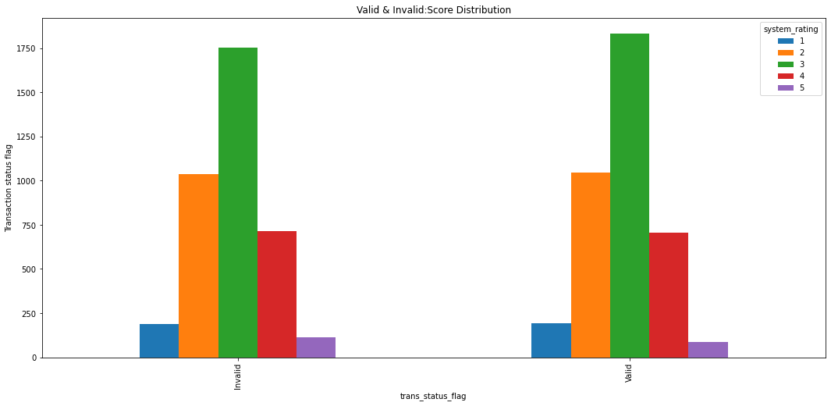
Valid & Invalid : Score Distribution
Transaction Status | 1 | 2 | 3 | 4 | 5 | Total
Invalid | 187 | 1039 | 1754 | 716 | 113 | 3809
Valid | 194 | 1047 | 1832 | 704 | 87 | 3864
Total | 381 | 2086 | 3586 | 1420 | 200 | 7673

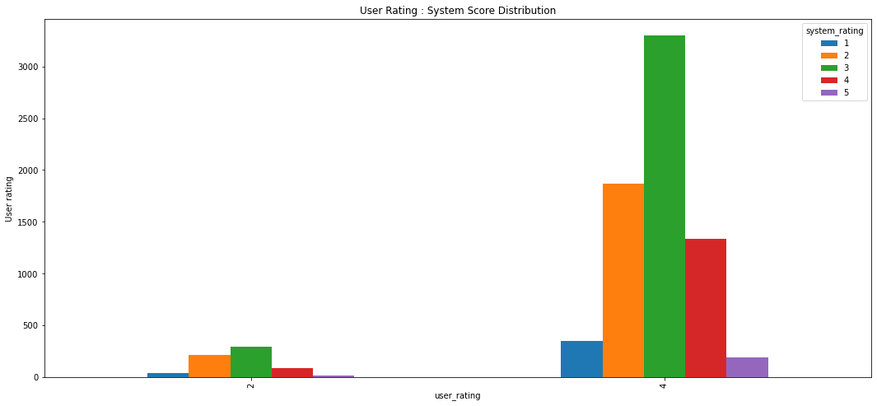
User Rating : System Score Distribution
User score | 1 | 2 | 3 | 4 | 5 | Total
2 | 38 | 215 | 287 | 83 | 14 | 637
4 | 343 | 1871 | 3299 | 1337 | 186 | 7036
Total | 381 | 2086 | 3586 | 1420 | 200 | 7673

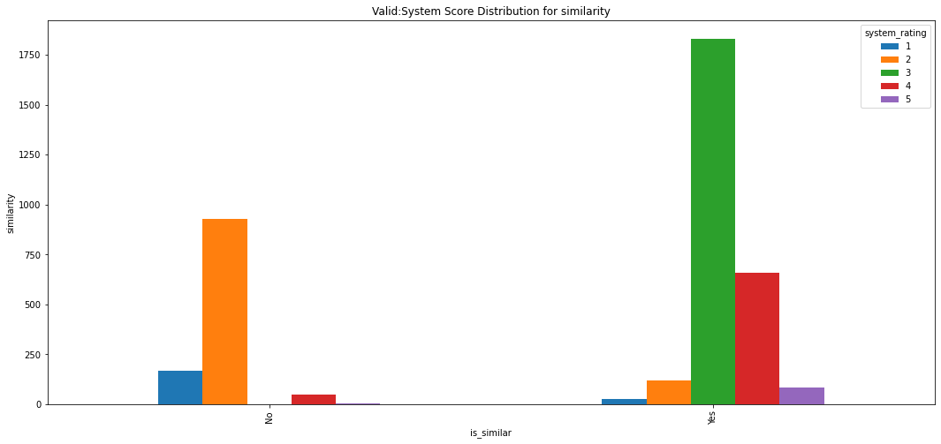
Valid : System Score Distribution
Similarity | 1 | 2 | 3 | 4 | 5 | Total
Non-similar | 169 | 928 | 0 | 47 | 3 | 1147
similar | 25 | 119 | 1832 | 657 | 84 | 2717
Total | 194 | 1047 | 1832 | 704 | 87 | 3864

Business Line Distribution
Transaction Status | AMR1 | APME | CIA1 | CIA2 | CIAP | CIEU | CRA2 | CREU | ERA1 | ERA2 | EREU | EURP | GCRS | ICCI | IDA1 | IDA2 | IDAD | IDAE | IDAP | IDCT | IDDC | IDDX | IDED | IDEU | IDOT | SF | Total
Invalid | 0 | 2 | 3 | 0 | 5 | 6 | 1 | 0 | 1 | 1 | 1 | 1 | 41 | 230 | 13 | 37 | 541 | 1428 | 26 | 655 | 140 | 341 | 177 | 134 | 9 | 16 | 3809
Valid | 1 | 2 | 4 | 3 | 5 | 7 | 0 | 1 | 0 | 0 | 1 | 0 | 28 | 271 | 23 | 34 | 567 | 1475 | 20 | 528 | 130 | 462 | 187 | 82 | 11 | 22 | 3864
Total | 1 | 4 | 7 | 3 | 10 | 13 | 1 | 1 | 1 | 1 | 2 | 1 | 69 | 501 | 36 | 71 | 1108 | 2903 | 46 | 1183 | 270 | 803 | 364 | 216 | 20 | 38 | 7673

Days Since Latest Project Not Updated : System Rating Distribution
Days since project not updated (buckets) | 1 | 2 | 3 | 4 | 5 | Total
0-100 | 89 | 399 | 639 | 215 | 32 | 1374
100-200 | 65 | 347 | 567 | 198 | 24 | 1201
200-300 | 35 | 268 | 471 | 200 | 17 | 991
300-400 | 44 | 254 | 528 | 212 | 33 | 1071
500 and above | 112 | 695 | 1254 | 534 | 90 | 2685
project end date in future | 0 | 7 | 9 | 3 | 2 | 21
project end date not present | 36 | 116 | 118 | 58 | 2 | 330

Days Since Latest Project Not Updated : Percentage of Total for each bucket
Days since project not updated (buckets) | 1 | 2 | 3 | 4 | 5 | Total
0-100 | 6.5 | 29 | 46.5 | 15.6 | 2.3 | 100
100-200 | 5.4 | 28.9 | 47.2 | 16.5 | 2 | 100
200-300 | 3.5 | 27 | 47.5 | 20.2 | 1.7 | 100
300-400 | 4.1 | 23.7 | 49.3 | 19.8 | 3.1 | 100
500 and above | 4.2 | 25.9 | 46.7 | 19.9 | 3.4 | 100
project end date in future | 0 | 33.3 | 42.9 | 14.3 | 9.5 | 100
project end date not present | 10.9 | 35.2 | 35.8 | 17.6 | 0.6 | 100

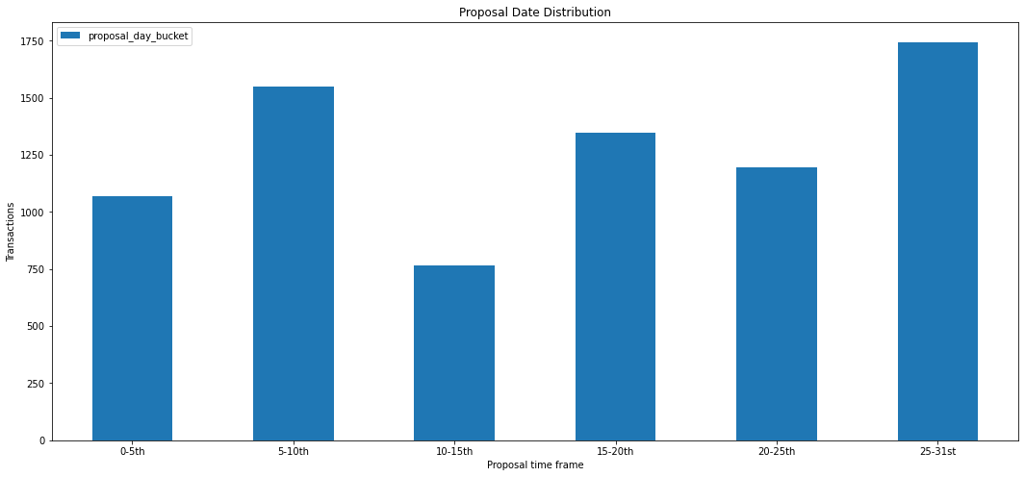
Proposal Date Distribution
Proposal date bucket | transactions
0-5th | 1068
5-10th | 1548
10-15th | 766
15-20th | 1349
20-25th | 1197
25-31st | 1745

Accuracy By Location
Region | Total Transactions | Valid | Valid & Similar | Accuracy
INDIA | 6900 | 3500 | 2438 | 69.7
USA | 516 | 227 | 165 | 72.7
others | 141 | 77 | 64 | 83.1
EUROPE | 116 | 60 | 50 | 83.3

Invalid transaction analysis
 | INVALID TRANSACTION ANALYSIS

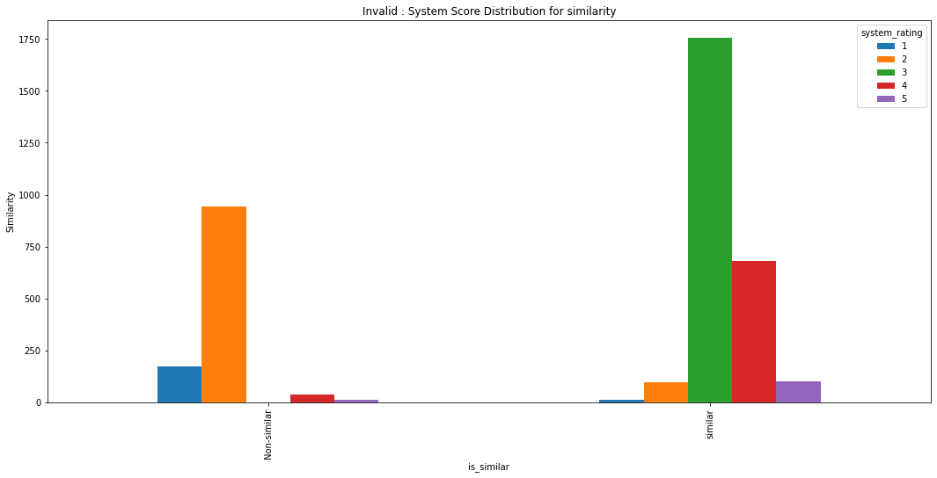
 | System Score Distribution for Similarity
 | Similarity | 1 | 2 | 3 | 4 | 5 | Total
 | Non-similar | 174 | 943 | 0 | 36 | 11 | 1164
 | similar | 13 | 96 | 1754 | 680 | 102 | 2645
 | Total | 187 | 1039 | 1754 | 716 | 113 | 3809

 | Business Line : Invalid Reason Distribution
 | Flag for invalid transaction | AMR1 | APME | CIA1 | CIA2 | CIAP | CIEU | CRA2 | CREU | ERA1 | ERA2 | EREU | EURP | GCRS | ICCI | IDA1 | IDA2 | IDAD | IDAE | IDAP | IDCT | IDDC | IDDX | IDED | IDEU | IDOT | SF | Total
 | Less than 2 skills | 0 | 0 | 2 | 0 | 1 | 0 | 0 | 0 | 0 | 0 | 0 | 0 | 0 | 12 | 1 | 5 | 38 | 67 | 3 | 58 | 2 | 15 | 5 | 10 | 0 | 12 | 231
 | No project or skill info | 0 | 0 | 0 | 0 | 0 | 0 | 0 | 0 | 0 | 0 | 0 | 0 | 1 | 21 | 1 | 1 | 21 | 67 | 1 | 10 | 0 | 14 | 23 | 9 | 0 | 3 | 172
 | Recent project older than 1 yr | 0 | 2 | 1 | 0 | 4 | 6 | 1 | 0 | 1 | 1 | 1 | 1 | 40 | 197 | 11 | 31 | 482 | 1294 | 22 | 587 | 138 | 312 | 149 | 115 | 9 | 1 | 3406
 | blank | 1 | 2 | 4 | 3 | 5 | 7 | 0 | 1 | 0 | 0 | 1 | 0 | 28 | 271 | 23 | 34 | 567 | 1475 | 20 | 528 | 130 | 462 | 187 | 82 | 11 | 22 | 3864

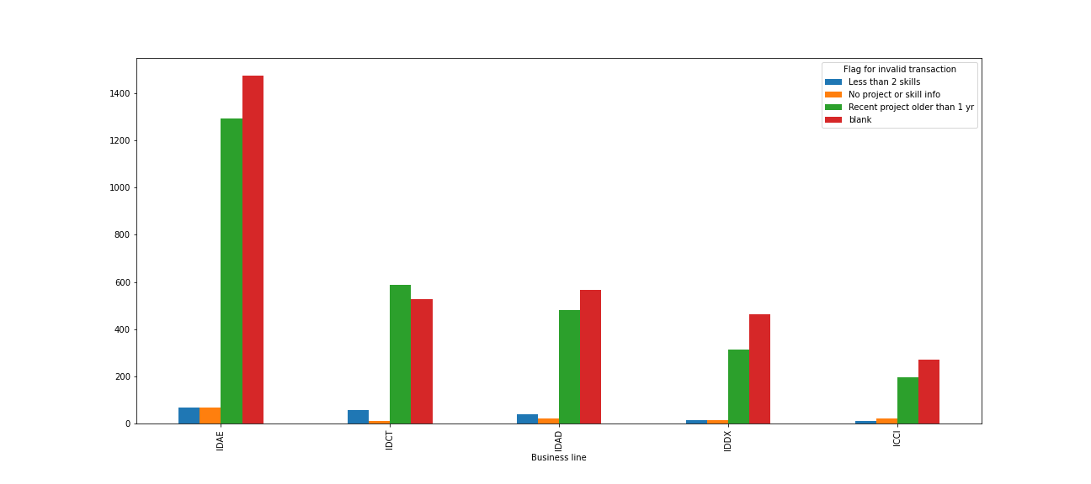
 | Top 5 Business lines : Invalid Reason Distribution
 | Flag for invalid transaction | IDAE | IDCT | IDAD | IDDX | ICCI
 | Less than 2 skills | 67 | 58 | 38 | 15 | 12
 | No project or skill info | 67 | 10 | 21 | 14 | 21
 | Recent project older than 1 yr | 1294 | 587 | 482 | 312 | 197
 | blank | 1475 | 528 | 567 | 462 | 271
 | Total | 2903 | 1183 | 1108 | 803 | 501

 | Valid-Invalid transaction analysis on Business line
 | index | AMR1 | APME | CIA1 | CIA2 | CIAP | CIEU | CREU | EREU | GCRS | ICCI | IDA1 | IDA2 | IDAD | IDAE | IDAP | IDCT | IDDC | IDDX | IDED | IDEU | IDOT | SF | CRA2 | ERA1 | ERA2 | EURP | Total
 | Valid | 1 | 2 | 4 | 3 | 5 | 7 | 1 | 1 | 28 | 271 | 23 | 34 | 567 | 1475 | 20 | 528 | 130 | 462 | 187 | 82 | 11 | 22 | 0 | 0 | 0 | 0 | 3864
 | invalid | 0 | 2 | 3 | 0 | 5 | 6 | 0 | 1 | 41 | 230 | 13 | 37 | 541 | 1428 | 26 | 655 | 140 | 341 | 177 | 134 | 9 | 16 | 1 | 1 | 1 | 1 | 3809
 | valid+similar | 1 | 2 | 4 | 3 | 5 | 3 | 1 | 1 | 14 | 185 | 22 | 30 | 328 | 1090 | 9 | 427 | 47 | 341 | 138 | 57 | 8 | 1 | 0 | 0 | 0 | 0 | 2717
 | valid+Non-similar | 0 | 0 | 0 | 0 | 0 | 4 | 0 | 0 | 14 | 86 | 1 | 4 | 239 | 385 | 11 | 101 | 83 | 121 | 49 | 25 | 3 | 21 | 0 | 0 | 0 | 0 | 1147
 | Accuracy (valid+similar/total valid) | 2 | 6 | 11 | 6 | 15 | 20 | 2 | 3 | 97 | 772 | 59 | 105 | 1675 | 4378 | 66 | 1711 | 400 | 1265 | 551 | 298 | 31 | 60 | 1 | 1 | 1 | 1 | 11537
 | Total | 100 | 100 | 100 | 100 | 100 | 42.9 | 100 | 100 | 50 | 68.3 | 95.7 | 88.2 | 57.8 | 73.9 | 45 | 80.9 | 36.2 | 73.8 | 73.8 | 69.5 | 72.7 | 4.5 | 0 | 0 | 0 | 0 | 1633.2

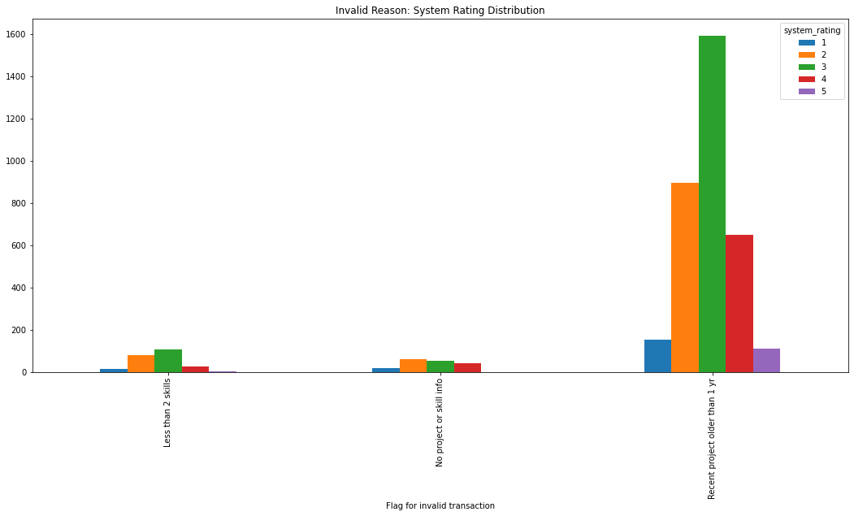
 | Invalid Reason: System Rating Distribution
 | Flag for invalid transaction | 1 | 2 | 3 | 4 | 5 | Total
 | Less than 2 skills | 16 | 80 | 108 | 26 | 1 | 231
 | No project or skill info | 18 | 62 | 52 | 40 | 0 | 172
 | Recent project older than 1 yr | 153 | 897 | 1594 | 650 | 112 | 3406
 | Total | 187 | 1039 | 1754 | 716 | 113 | 3809

Invalid & Similar

 | Invalid Reason: System Rating Distribution
 | Flag for invalid transaction | 1 | 2 | 3 | 4 | 5 | Total
 | Less than 2 skills | 1 | 8 | 108 | 25 | 1 | 143
 | No project or skill info | 1 | 2 | 52 | 38 | 0 | 93
 | Recent project older than 1 yr | 11 | 86 | 1594 | 617 | 101 | 2409
 | Total | 13 | 96 | 1754 | 680 | 102 | 2645

 | Invalid Reason: As % of Total Invalid
 | Flag for invalid transaction | 1 | 2 | 3 | 4 | 5 | Total
 | Less than 2 skills | 0.0% | 0.2% | 2.8% | 0.7% | 0.0% | 3.8%
 | No project or skill info | 0.0% | 0.1% | 1.4% | 1.0% | 0.0% | 2.4%
 | Recent project older than 1 yr | 0.3% | 2.3% | 41.8% | 16.2% | 2.7% | 63.2%
 | Total | 0.3% | 2.5% | 46.0% | 17.9% | 2.7% | 69.4%

Invalid & Non-Similar

 | Invalid reason : System Rating Distribution
 | Flag for invalid transaction | 1 | 2 | 3 | 4 | 5 | Total
 | Less than 2 skills | 15 | 72 | 0 | 1 | 0 | 88
 | No project or skill info | 17 | 60 | 0 | 2 | 0 | 79
 | Recent project older than 1 yr | 142 | 811 | 0 | 33 | 11 | 997
 | Total | 174 | 943 | 0 | 36 | 11 | 1164

 | Invalid Reason: As a % of Total Invalid
 | Flag for invalid transaction | 1 | 2 | 3 | 4 | 5 | Total
 | Less than 2 skills | 0.4% | 1.9% | 0.0% | 0.0% | 0.0% | 2.3%
 | No project or skill info | 0.4% | 1.6% | 0.0% | 0.1% | 0.0% | 2.1%
 | Recent project older than 1 yr | 3.7% | 21.3% | 0.0% | 0.9% | 0.3% | 26.2%
 | Total | 4.6% | 24.8% | 0.0% | 0.9% | 0.3% | 30.6%

 | Valid transaction analysis
 | Flag for invalid transaction | 1 | 2 | 3 | 4 | 5 | Total
 | blank | 194 | 1047 | 1832 | 704 | 87 | 3864
 | As % of total valid | 5.0% | 27.1% | 47.4% | 18.2% | 2.3% | 100.0%

Skill Analysis
 | SKILL ANALYSIS

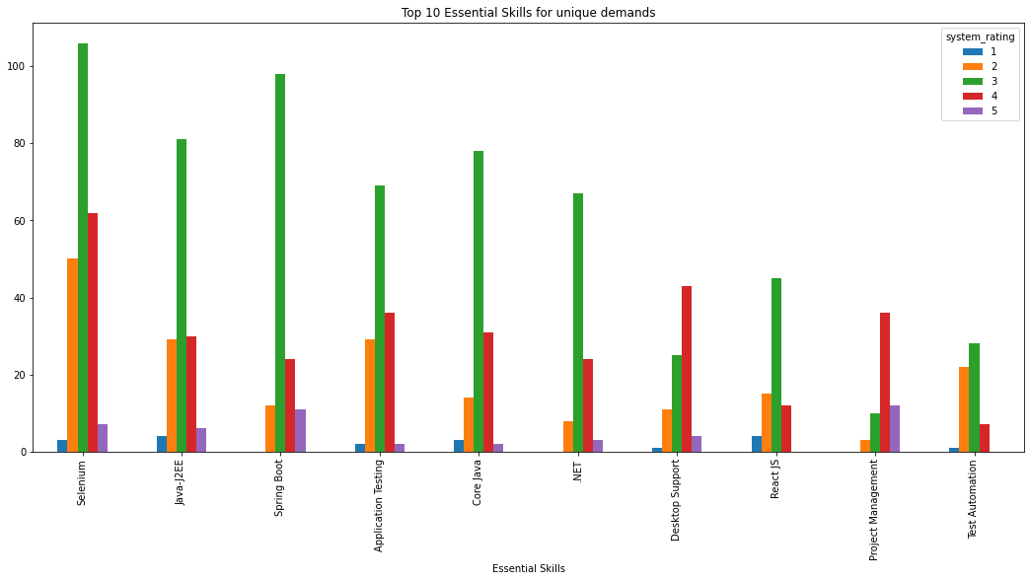
 | Top 10 Essential Skills for unique demands
 | Essential Skills | 1 | 2 | 3 | 4 | 5 | Total
 | Selenium | 3 | 50 | 106 | 62 | 7 | 228
 | Java-J2EE | 4 | 29 | 81 | 30 | 6 | 150
 | Spring Boot | 0 | 12 | 98 | 24 | 11 | 145
 | Application Testing | 2 | 29 | 69 | 36 | 2 | 138
 | Core Java | 3 | 14 | 78 | 31 | 2 | 128
 | .NET | 0 | 8 | 67 | 24 | 3 | 102
 | Desktop Support | 1 | 11 | 25 | 43 | 4 | 84
 | React JS | 4 | 15 | 45 | 12 | 0 | 76
 | Project Management | 0 | 3 | 10 | 36 | 12 | 61
 | Test Automation | 1 | 22 | 28 | 7 | 0 | 58
 | Total | 18 | 193 | 607 | 305 | 47 | 1170

Valid

 | Top 10 Essential Skills
 | Essential Skills | Valid | percent of total valid | percent of total | Valid+similar | percentage of total valid | percentage of total | Valid+Non-similar | Percentage of total valid | Percentage of total | Similar as % of Valid Trans for Skill | Non-similar as % of Valid Trans for Skill
 | Selenium | 346 | 9.0% | 4.5% | 262 | 6.8% | 3.4% | 84 | 2.2% | 1.1% | 75.7% | 24.3%
 | .NET | 177 | 4.6% | 2.3% | 152 | 3.9% | 2.0% | 25 | 0.6% | 0.3% | 85.9% | 14.1%
 | Application Testing | 174 | 4.5% | 2.3% | 146 | 3.8% | 1.9% | 28 | 0.7% | 0.4% | 83.9% | 16.1%
 | Java-J2EE | 160 | 4.1% | 2.1% | 130 | 3.4% | 1.7% | 30 | 0.8% | 0.4% | 81.2% | 18.8%
 | Core Java | 137 | 3.5% | 1.8% | 118 | 3.1% | 1.5% | 19 | 0.5% | 0.2% | 86.1% | 13.9%
 | Spring Boot | 117 | 3.0% | 1.5% | 105 | 2.7% | 1.4% | 12 | 0.3% | 0.2% | 89.7% | 10.3%
 | React JS | 109 | 2.8% | 1.4% | 94 | 2.4% | 1.2% | 15 | 0.4% | 0.2% | 86.2% | 13.8%
 | ETRM - Energy Trading and Risk Management | 74 | 1.9% | 1.0% | 23 | 0.6% | 0.3% | 51 | 1.3% | 0.7% | 31.1% | 68.9%
 | Desktop Support | 68 | 1.8% | 0.9% | 60 | 1.6% | 0.8% | 8 | 0.2% | 0.1% | 88.2% | 11.8%
 | ASP.NET MVC 5 | 65 | 1.7% | 0.8% | 53 | 1.4% | 0.7% | 12 | 0.3% | 0.2% | 81.5% | 18.5%
 | Total | 1427 | 36.9% | 18.6% | 1143 | 29.6% | 14.9% | 284 | 7.3% | 3.7% | 80.1% | 19.9%

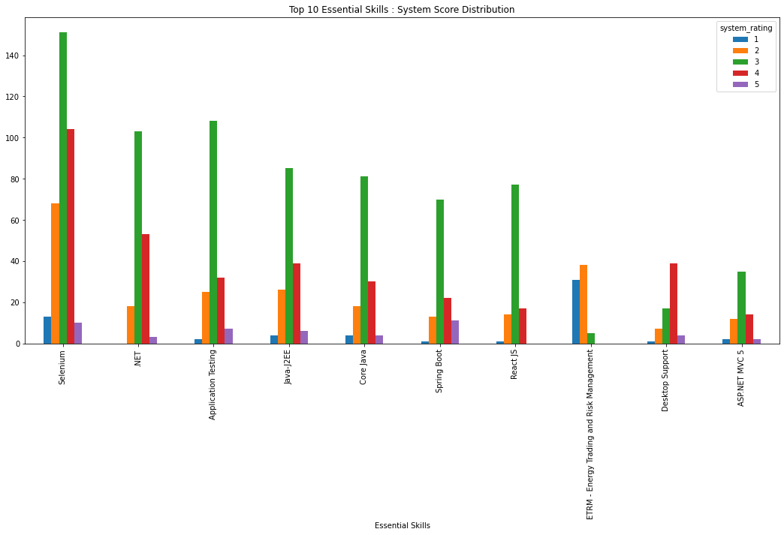
 | Top 10 Essential Skills : System Score Distribution
 | Essential Skills | 1 | 2 | 3 | 4 | 5 | total
 | Selenium | 13 | 68 | 151 | 104 | 10 | 346
 | .NET | 0 | 18 | 103 | 53 | 3 | 177
 | Application Testing | 2 | 25 | 108 | 32 | 7 | 174
 | Java-J2EE | 4 | 26 | 85 | 39 | 6 | 160
 | Core Java | 4 | 18 | 81 | 30 | 4 | 137
 | Spring Boot | 1 | 13 | 70 | 22 | 11 | 117
 | React JS | 1 | 14 | 77 | 17 | 0 | 109
 | ETRM - Energy Trading and Risk Management | 31 | 38 | 5 | 0 | 0 | 74
 | Desktop Support | 1 | 7 | 17 | 39 | 4 | 68
 | ASP.NET MVC 5 | 2 | 12 | 35 | 14 | 2 | 65
 | Total | 59 | 239 | 732 | 350 | 47 | 1427
 | % of Total Valid for top 10 skills | 4.1% | 16.7% | 51.3% | 24.5% | 3.3% | 100.0%

Valid & Similar

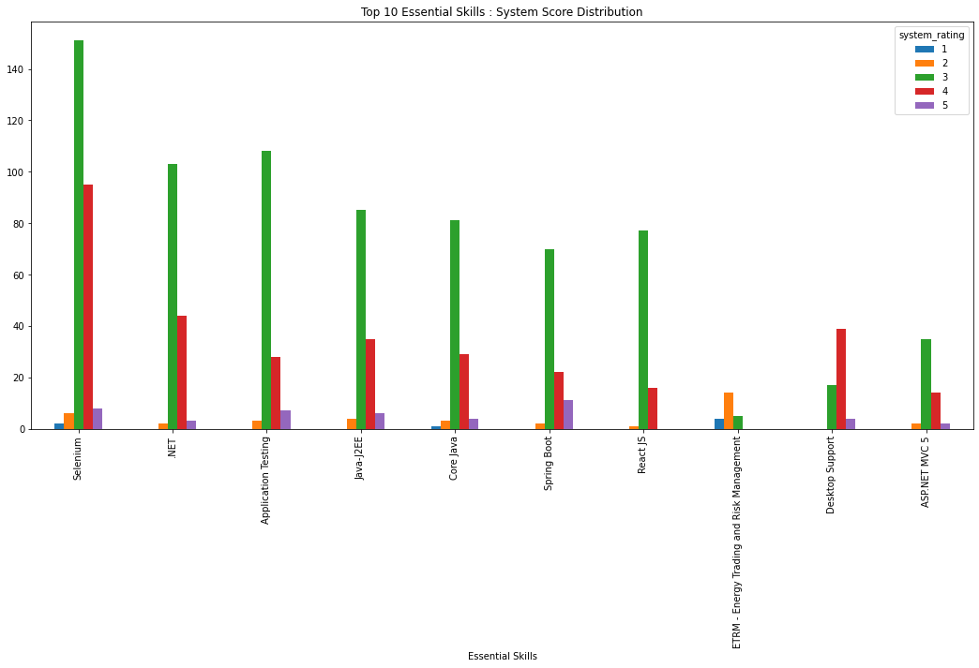
 | Top 10 Essential Skills : System Score Distribution
 | Essential Skills | 1 | 2 | 3 | 4 | 5 | total
 | Selenium | 2 | 6 | 151 | 95 | 8 | 262
 | .NET | 0 | 2 | 103 | 44 | 3 | 152
 | Application Testing | 0 | 3 | 108 | 28 | 7 | 146
 | Java-J2EE | 0 | 4 | 85 | 35 | 6 | 130
 | Core Java | 1 | 3 | 81 | 29 | 4 | 118
 | Spring Boot | 0 | 2 | 70 | 22 | 11 | 105
 | React JS | 0 | 1 | 77 | 16 | 0 | 94
 | ETRM - Energy Trading and Risk Management | 4 | 14 | 5 | 0 | 0 | 23
 | Desktop Support | 0 | 0 | 17 | 39 | 4 | 60
 | ASP.NET MVC 5 | 0 | 2 | 35 | 14 | 2 | 53
 | Total | 7 | 37 | 732 | 322 | 45 | 1143
 | % of Total Valid for top 10 skills | 0.5% | 2.6% | 51.3% | 22.6% | 3.2% | 80.1%

Valid & Non-Similar

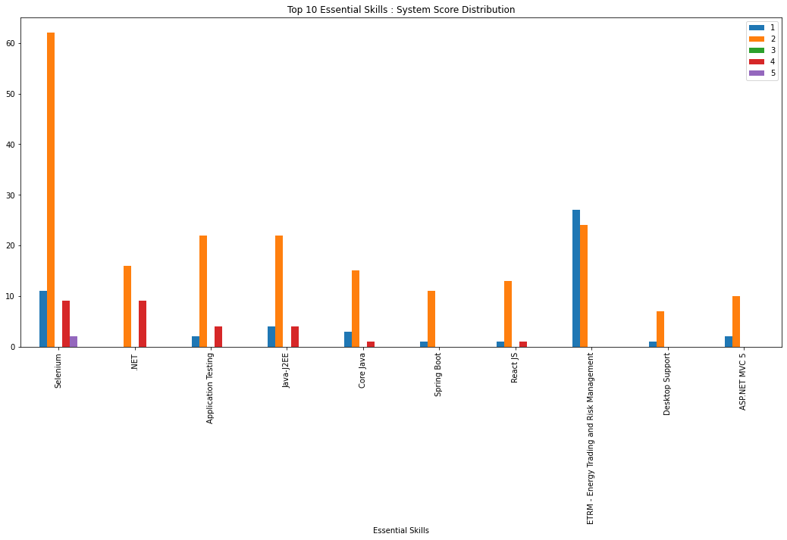
 | Top 10 Essential Skills : System Score Distribution
 | Essential Skills | 1 | 2 | 3 | 4 | 5 | total
 | Selenium | 11 | 62 | 0 | 9 | 2 | 84
 | .NET | 0 | 16 | 0 | 9 | 0 | 25
 | Application Testing | 2 | 22 | 0 | 4 | 0 | 28
 | Java-J2EE | 4 | 22 | 0 | 4 | 0 | 30
 | Core Java | 3 | 15 | 0 | 1 | 0 | 19
 | Spring Boot | 1 | 11 | 0 | 0 | 0 | 12
 | React JS | 1 | 13 | 0 | 1 | 0 | 15
 | ETRM - Energy Trading and Risk Management | 27 | 24 | 0 | 0 | 0 | 51
 | Desktop Support | 1 | 7 | 0 | 0 | 0 | 8
 | ASP.NET MVC 5 | 2 | 10 | 0 | 0 | 0 | 12
 | Total | 52 | 202 | 0 | 28 | 2 | 284
 | % of Total Valid for top 10 skills | 3.6% | 14.2% | 0.0% | 2.0% | 0.1% | 19.9%

Invalid

 | Top 10 Essential Skills
 | Essential Skills | Invalid | percent of total invalid | percent of total | Invalid+similar | percentage of total invalid | percentage of total | Invalid+Non-similar | Percentage of total invalid | Percentage of total | Similar as % of Invalid Trans for Skill | Non-similar as % of Invalid Trans for Skill
 | Selenium | 286 | 7.5% | 3.7% | 215 | 5.6% | 2.8% | 71 | 1.9% | 0.9% | 75.2% | 24.8%
 | Application Testing | 213 | 5.6% | 2.8% | 157 | 4.1% | 2.0% | 56 | 1.5% | 0.7% | 73.7% | 26.3%
 | .NET | 181 | 4.8% | 2.4% | 156 | 4.1% | 2.0% | 25 | 0.7% | 0.3% | 86.2% | 13.8%
 | Java-J2EE | 176 | 4.6% | 2.3% | 140 | 3.7% | 1.8% | 36 | 0.9% | 0.5% | 79.5% | 20.5%
 | Core Java | 155 | 4.1% | 2.0% | 139 | 3.6% | 1.8% | 16 | 0.4% | 0.2% | 89.7% | 10.3%
 | Spring Boot | 140 | 3.7% | 1.8% | 128 | 3.4% | 1.7% | 12 | 0.3% | 0.2% | 91.4% | 8.6%
 | Test Automation | 79 | 2.1% | 1.0% | 42 | 1.1% | 0.5% | 37 | 1.0% | 0.5% | 53.2% | 46.8%
 | Project Management | 78 | 2.0% | 1.0% | 75 | 2.0% | 1.0% | 3 | 0.1% | 0.0% | 96.2% | 3.8%
 | ETRM - Energy Trading and Risk Management | 67 | 1.8% | 0.9% | 9 | 0.2% | 0.1% | 58 | 1.5% | 0.8% | 13.4% | 86.6%
 | Project Management ADM | 64 | 1.7% | 0.8% | 60 | 1.6% | 0.8% | 4 | 0.1% | 0.1% | 93.8% | 6.2%
 | Total | 1439 | 37.8% | 18.8% | 1121 | 29.4% | 14.6% | 318 | 8.3% | 4.1% | 77.9% | 22.1%

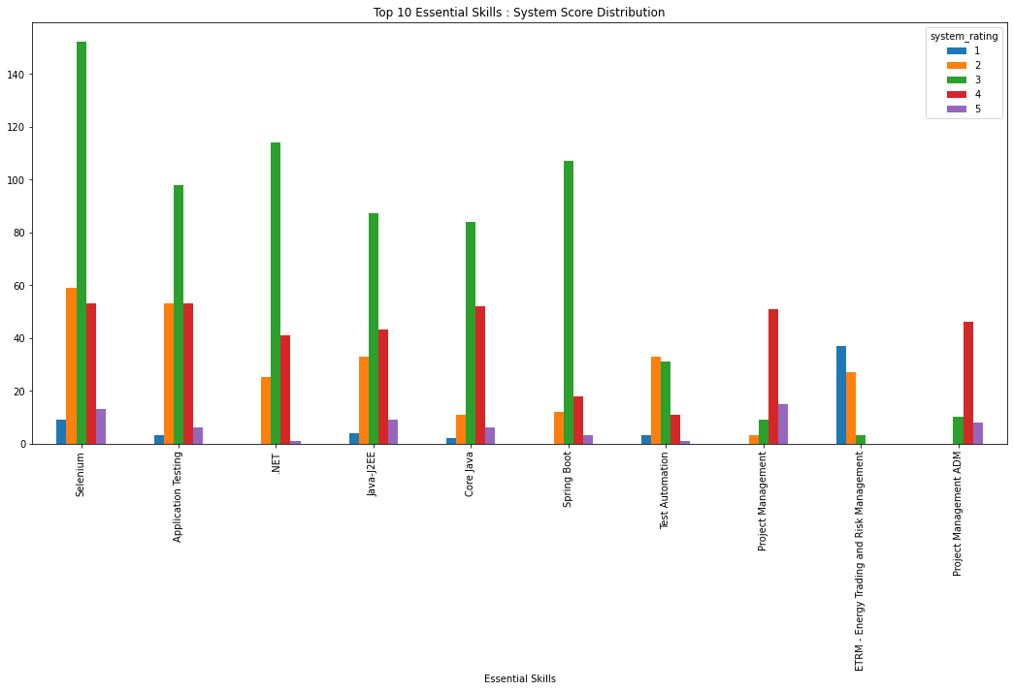
 | Top 10 Essential skills : System Score Distribution
 | Essential Skills | 1 | 2 | 3 | 4 | 5 | total
 | Selenium | 9 | 59 | 152 | 53 | 13 | 286
 | Application Testing | 3 | 53 | 98 | 53 | 6 | 213
 | .NET | 0 | 25 | 114 | 41 | 1 | 181
 | Java-J2EE | 4 | 33 | 87 | 43 | 9 | 176
 | Core Java | 2 | 11 | 84 | 52 | 6 | 155
 | Spring Boot | 0 | 12 | 107 | 18 | 3 | 140
 | Test Automation | 3 | 33 | 31 | 11 | 1 | 79
 | Project Management | 0 | 3 | 9 | 51 | 15 | 78
 | ETRM - Energy Trading and Risk Management | 37 | 27 | 3 | 0 | 0 | 67
 | Project Management ADM | 0 | 0 | 10 | 46 | 8 | 64
 | Total | 58 | 256 | 695 | 368 | 62 | 1439
 | % of Total Invalid for top 10 skills | 4.0% | 17.8% | 48.3% | 25.6% | 4.3% | 100.0%

Invalid & Similar

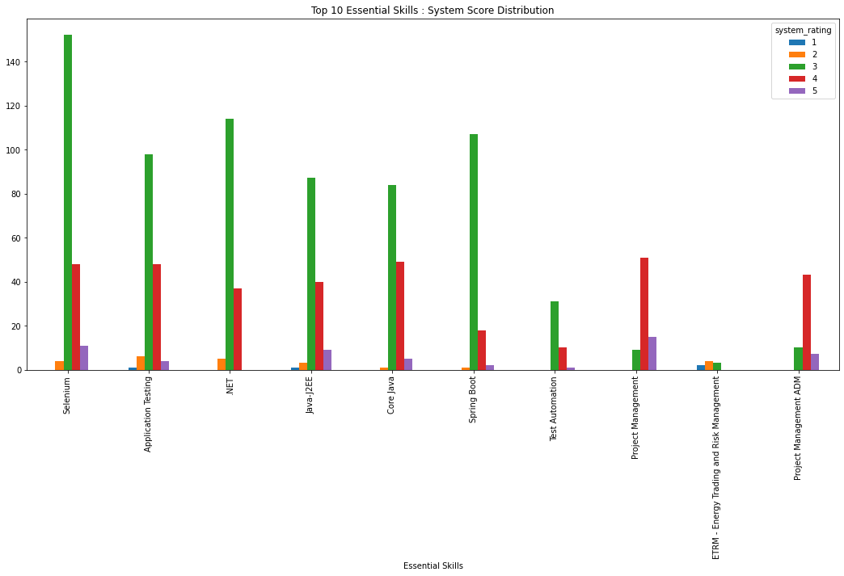
 | Top 10 Essential Skills : System Score Distribution
 | Essential Skills | 1 | 2 | 3 | 4 | 5 | total
 | Selenium | 0 | 4 | 152 | 48 | 11 | 215
 | Application Testing | 1 | 6 | 98 | 48 | 4 | 157
 | .NET | 0 | 5 | 114 | 37 | 0 | 156
 | Java-J2EE | 1 | 3 | 87 | 40 | 9 | 140
 | Core Java | 0 | 1 | 84 | 49 | 5 | 139
 | Spring Boot | 0 | 1 | 107 | 18 | 2 | 128
 | Test Automation | 0 | 0 | 31 | 10 | 1 | 42
 | Project Management | 0 | 0 | 9 | 51 | 15 | 75
 | ETRM - Energy Trading and Risk Management | 2 | 4 | 3 | 0 | 0 | 9
 | Project Management ADM | 0 | 0 | 10 | 43 | 7 | 60
 | Total | 4 | 24 | 695 | 344 | 54 | 1121
 | % of Total Invalid for top 10 skills | 0.3% | 1.7% | 48.3% | 23.9% | 3.8% | 77.9%

Invalid & Non-Similar

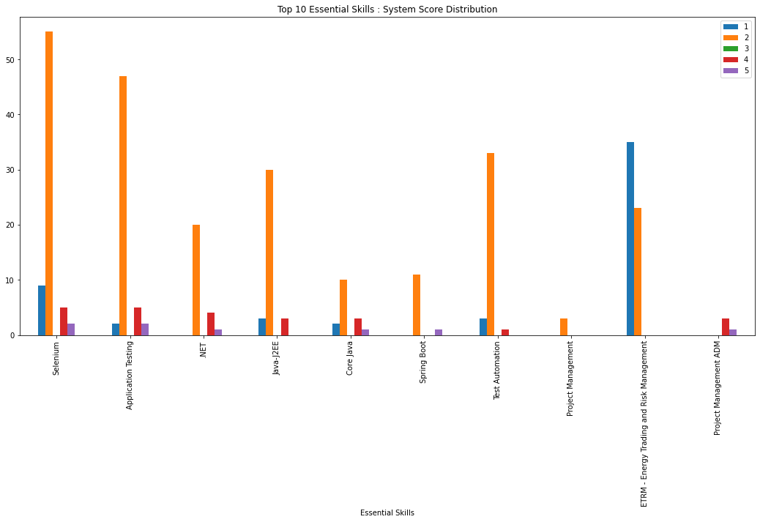
 | Top 10 Essential Skills : System Score Distribution
 | Essential Skills | 1 | 2 | 3 | 4 | 5 | total
 | Selenium | 9 | 55 | 0 | 5 | 2 | 71
 | Application Testing | 2 | 47 | 0 | 5 | 2 | 56
 | .NET | 0 | 20 | 0 | 4 | 1 | 25
 | Java-J2EE | 3 | 30 | 0 | 3 | 0 | 36
 | Core Java | 2 | 10 | 0 | 3 | 1 | 16
 | Spring Boot | 0 | 11 | 0 | 0 | 1 | 12
 | Test Automation | 3 | 33 | 0 | 1 | 0 | 37
 | Project Management | 0 | 3 | 0 | 0 | 0 | 3
 | ETRM - Energy Trading and Risk Management | 35 | 23 | 0 | 0 | 0 | 58
 | Project Management ADM | 0 | 0 | 0 | 3 | 1 | 4
 | Total | 54 | 232 | 0 | 24 | 8 | 318
 | % of Total Invalid for top 10 skills | 3.8% | 16.1% | 0.0% | 1.7% | 0.6% | 22.1%

 | SKILL ANALYSIS BY GEOGRAPHY

 | Transaction Analysis by Geography
 | COUNTRY | frequency | Valid | Valid as % of total for Geo | Invalid | invalid as % of total for Geo | Valid+similar | Valid+Similar as % of Total Valid for Geo | Valid+Non-similar | Valid+Non-similar as % of Total Valid for Geo | Valid as % of Total
 | INDIA | 6900 | 3500 | 50.7% | 3400 | 49.3% | 2438 | 69.7% | 1062 | 30.3% | 45.6%
 | USA | 516 | 227 | 44.0% | 289 | 56.0% | 165 | 72.7% | 62 | 27.3% | 3.0%
 | EUROPE | 116 | 60 | 51.7% | 56 | 48.3% | 50 | 83.3% | 10 | 16.7% | 0.8%
 | Total | 7532 | 3787 | 50.3% | 3745 | 49.7% | 2653 | 70.1% | 1134 | 29.9% | 49.4%

 | INDIA

 | TOP 10 Skill Analysis for GEO
 | Essential Skills | transactions | Valid | Valid as % of total for Geo | Invalid | Invalid as % of total for Geo | valid+similar | Valid+Similar as % of Total Valid for Geo | Valid+Non-similar | Valid+Non-similar as % of Total Valid for Geo
 | Selenium | 613 | 341 | 55.6% | 272 | 44.4% | 257 | 75.4% | 84 | 24.6%
 | Application Testing | 349 | 152 | 43.6% | 197 | 56.4% | 125 | 82.2% | 27 | 17.8%
 | .NET | 339 | 168 | 49.6% | 171 | 50.4% | 145 | 86.3% | 23 | 13.7%
 | Java-J2EE | 329 | 158 | 48.0% | 171 | 52.0% | 128 | 81.0% | 30 | 19.0%
 | Core Java | 280 | 131 | 46.8% | 149 | 53.2% | 112 | 85.5% | 19 | 14.5%
 | Spring Boot | 240 | 113 | 47.1% | 127 | 52.9% | 101 | 89.4% | 12 | 10.6%
 | React JS | 168 | 107 | 63.7% | 61 | 36.3% | 92 | 86.0% | 15 | 14.0%
 | Test Automation | 129 | 51 | 39.5% | 78 | 60.5% | 39 | 76.5% | 12 | 23.5%
 | ETRM - Energy Trading and Risk Management | 126 | 62 | 49.2% | 64 | 50.8% | 21 | 33.9% | 41 | 66.1%
 | ASP.NET MVC 5 | 108 | 65 | 60.2% | 43 | 39.8% | 53 | 81.5% | 12 | 18.5%
 | Total | 2681 | 1348 | 50.3% | 1333 | 49.7% | 1073 | 79.6% | 275 | 20.4%

Valid

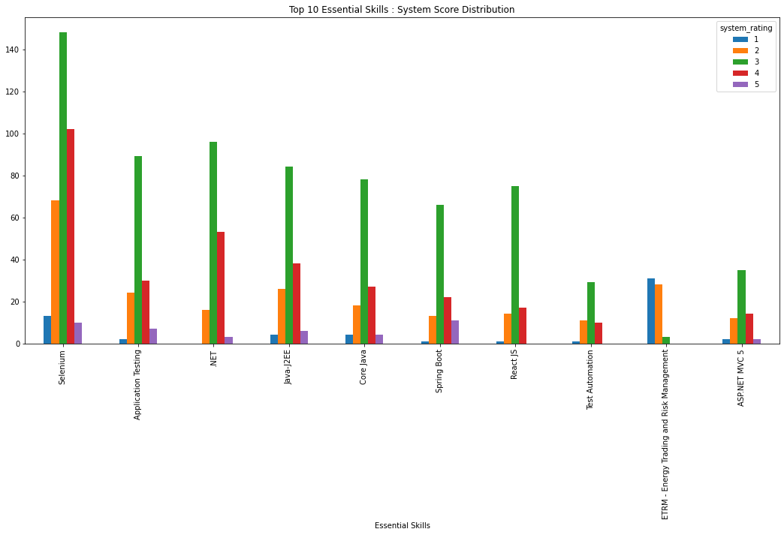
 | Top 10 Essential skills : Systems Score Distribution
 | Essential Skills | 1 | 2 | 3 | 4 | 5 | total
 | Selenium | 13 | 68 | 148 | 102 | 10 | 341
 | Application Testing | 2 | 24 | 89 | 30 | 7 | 152
 | .NET | 0 | 16 | 96 | 53 | 3 | 168
 | Java-J2EE | 4 | 26 | 84 | 38 | 6 | 158
 | Core Java | 4 | 18 | 78 | 27 | 4 | 131
 | Spring Boot | 1 | 13 | 66 | 22 | 11 | 113
 | React JS | 1 | 14 | 75 | 17 | 0 | 107
 | Test Automation | 1 | 11 | 29 | 10 | 0 | 51
 | ETRM - Energy Trading and Risk Management | 31 | 28 | 3 | 0 | 0 | 62
 | ASP.NET MVC 5 | 2 | 12 | 35 | 14 | 2 | 65
 | Total | 59 | 230 | 703 | 313 | 43 | 1348
 | % of Total Valid for top 10 skills | 4.4% | 17.1% | 52.2% | 23.2% | 3.2% | 100.0%

Valid & similar

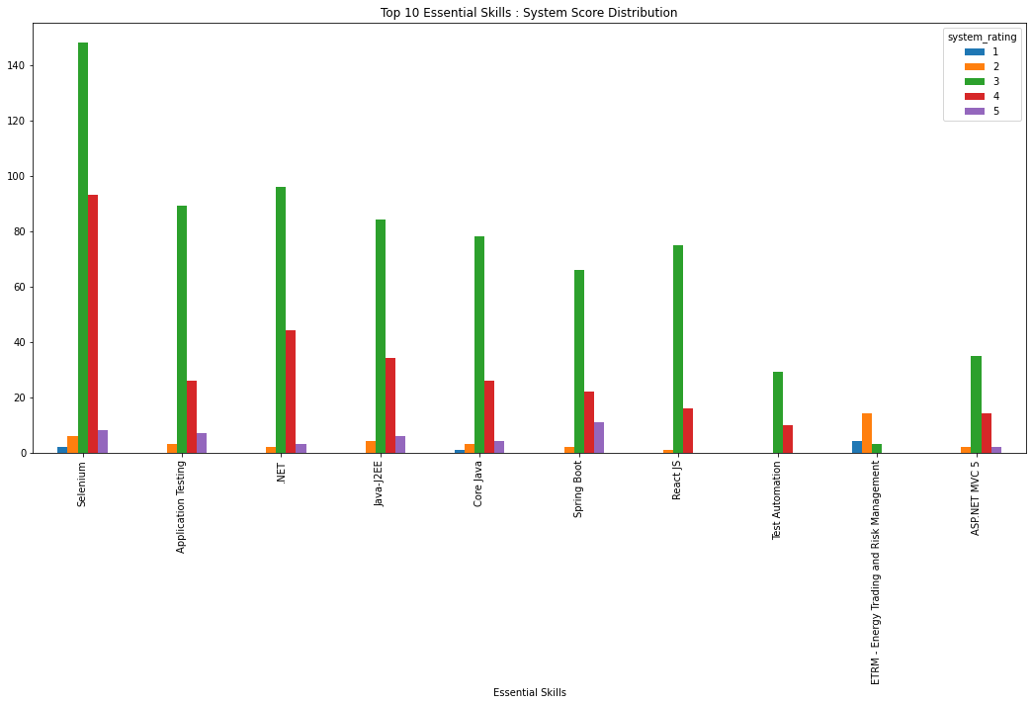
 | Top 10 Essential skills : Systems Score Distribution
 | Essential Skills | 1 | 2 | 3 | 4 | 5 | total
 | Selenium | 2 | 6 | 148 | 93 | 8 | 257
 | Application Testing | 0 | 3 | 89 | 26 | 7 | 125
 | .NET | 0 | 2 | 96 | 44 | 3 | 145
 | Java-J2EE | 0 | 4 | 84 | 34 | 6 | 128
 | Core Java | 1 | 3 | 78 | 26 | 4 | 112
 | Spring Boot | 0 | 2 | 66 | 22 | 11 | 101
 | React JS | 0 | 1 | 75 | 16 | 0 | 92
 | Test Automation | 0 | 0 | 29 | 10 | 0 | 39
 | ETRM - Energy Trading and Risk Management | 4 | 14 | 3 | 0 | 0 | 21
 | ASP.NET MVC 5 | 0 | 2 | 35 | 14 | 2 | 53
 | Total | 7 | 37 | 703 | 285 | 41 | 1073
 | % of Total Valid for top 10 skills | 0.5% | 2.7% | 52.2% | 21.1% | 3.0% | 79.6%

Valid & Non-similar

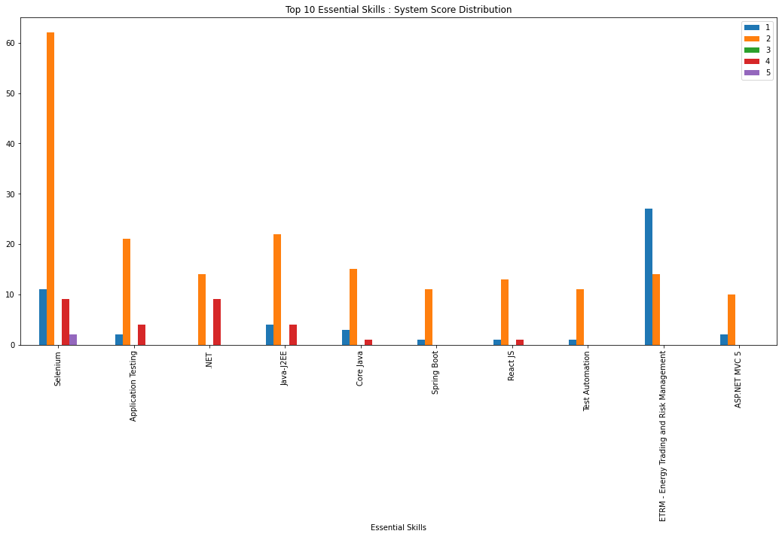
 | Top 10 Essential skills : Systems Score Distribution
 | Essential Skills | 1 | 2 | 3 | 4 | 5 | total
 | Selenium | 11 | 62 | 0 | 9 | 2 | 84
 | Application Testing | 2 | 21 | 0 | 4 | 0 | 27
 | .NET | 0 | 14 | 0 | 9 | 0 | 23
 | Java-J2EE | 4 | 22 | 0 | 4 | 0 | 30
 | Core Java | 3 | 15 | 0 | 1 | 0 | 19
 | Spring Boot | 1 | 11 | 0 | 0 | 0 | 12
 | React JS | 1 | 13 | 0 | 1 | 0 | 15
 | Test Automation | 1 | 11 | 0 | 0 | 0 | 12
 | ETRM - Energy Trading and Risk Management | 27 | 14 | 0 | 0 | 0 | 41
 | ASP.NET MVC 5 | 2 | 10 | 0 | 0 | 0 | 12
 | Total | 52 | 193 | 0 | 28 | 2 | 275
 | % of Total Valid for top 10 skills | 3.9% | 14.3% | 0.0% | 2.1% | 0.1% | 20.4%

 | USA

 | TOP 10 Skill Analysis
 | Essential Skills | transactions | Valid | Valid as % of total for Geo | Invalid | Invalid as % of total for Geo | valid+similar | Valid+Similar as % of Total Valid for Geo | Valid+Non-similar | Valid+Non-similar as % of Total Valid for Geo
 | Project Management | 33 | 23 | 69.7% | 10 | 30.3% | 22 | 95.7% | 1 | 4.3%
 | Application Testing | 17 | 6 | 35.3% | 11 | 64.7% | 5 | 83.3% | 1 | 16.7%
 | Spring Boot | 16 | 4 | 25.0% | 12 | 75.0% | 4 | 100.0% | 0 | 0.0%
 | ETRM - Energy Trading and Risk Management | 15 | 12 | 80.0% | 3 | 20.0% | 2 | 16.7% | 10 | 83.3%
 | Project Management ADM | 13 | 8 | 61.5% | 5 | 38.5% | 8 | 100.0% | 0 | 0.0%
 | .NET | 12 | 8 | 66.7% | 4 | 33.3% | 6 | 75.0% | 2 | 25.0%
 | Enterprise Platform Engineering Java | 11 | 4 | 36.4% | 7 | 63.6% | 1 | 25.0% | 3 | 75.0%
 | Project Management ADM, Infra Managed Serv Project Management | 10 | 4 | 40.0% | 6 | 60.0% | 4 | 100.0% | 0 | 0.0%
 | Solution Architecture | 10 | 6 | 60.0% | 4 | 40.0% | 5 | 83.3% | 1 | 16.7%
 | Infra Managed Serv Project Management | 9 | 6 | 66.7% | 3 | 33.3% | 5 | 83.3% | 1 | 16.7%
 | Total | 146 | 81 | 55.5% | 65 | 44.5% | 62 | 76.5% | 19 | 23.5%

Valid

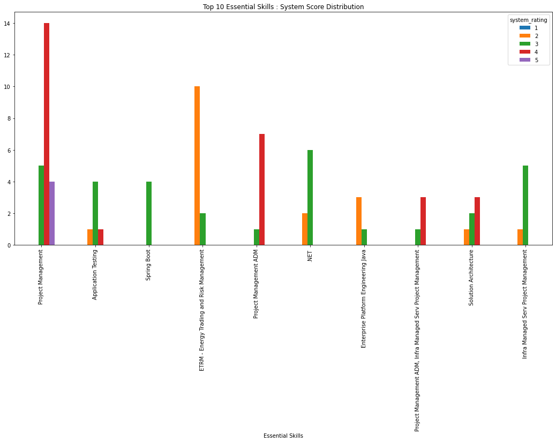
 | Top 10 Essesntial Skills : System Score Distribution
 | Essential Skills | 1 | 2 | 3 | 4 | 5 | Total
 | Project Management | 0 | 0 | 5 | 14 | 4 | 23
 | Application Testing | 0 | 1 | 4 | 1 | 0 | 6
 | Spring Boot | 0 | 0 | 4 | 0 | 0 | 4
 | ETRM - Energy Trading and Risk Management | 0 | 10 | 2 | 0 | 0 | 12
 | Project Management ADM | 0 | 0 | 1 | 7 | 0 | 8
 | .NET | 0 | 2 | 6 | 0 | 0 | 8
 | Enterprise Platform Engineering Java | 0 | 3 | 1 | 0 | 0 | 4
 | Project Management ADM, Infra Managed Serv Project Management | 0 | 0 | 1 | 3 | 0 | 4
 | Solution Architecture | 0 | 1 | 2 | 3 | 0 | 6
 | Infra Managed Serv Project Management | 0 | 1 | 5 | 0 | 0 | 6
 | Total | 0 | 18 | 31 | 28 | 4 | 81
 | % of Total Valid for top 10 skills | 0.0% | 22.2% | 38.3% | 34.6% | 4.9% | 100.0%

Valid & Similar

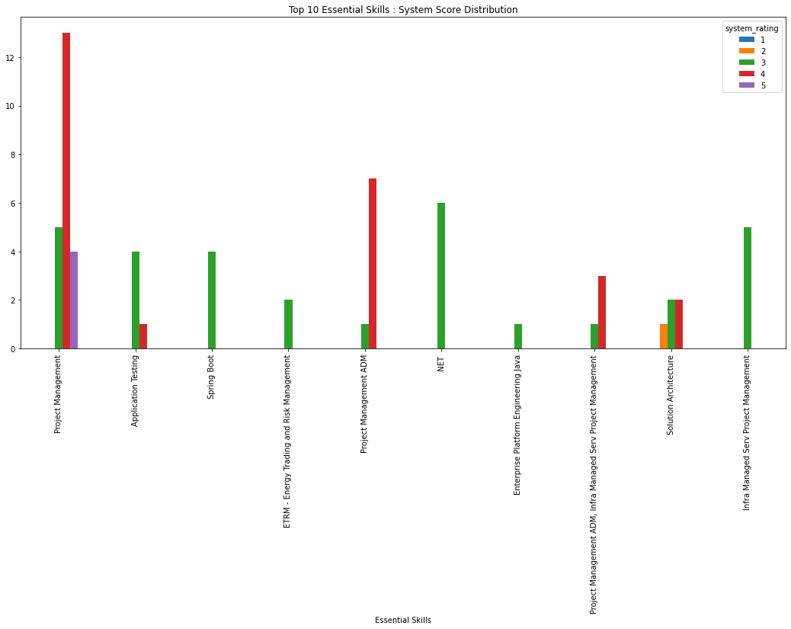
 | Top 10 Essesntial Skills : System Score Distribution
 | Essential Skills | 1 | 2 | 3 | 4 | 5 | Total
 | Project Management | 0 | 0 | 5 | 13 | 4 | 22
 | Application Testing | 0 | 0 | 4 | 1 | 0 | 5
 | Spring Boot | 0 | 0 | 4 | 0 | 0 | 4
 | ETRM - Energy Trading and Risk Management | 0 | 0 | 2 | 0 | 0 | 2
 | Project Management ADM | 0 | 0 | 1 | 7 | 0 | 8
 | .NET | 0 | 0 | 6 | 0 | 0 | 6
 | Enterprise Platform Engineering Java | 0 | 0 | 1 | 0 | 0 | 1
 | Project Management ADM, Infra Managed Serv Project Management | 0 | 0 | 1 | 3 | 0 | 4
 | Solution Architecture | 0 | 1 | 2 | 2 | 0 | 5
 | Infra Managed Serv Project Management | 0 | 0 | 5 | 0 | 0 | 5
 | Total | 0 | 1 | 31 | 26 | 4 | 62
 | % of Total Valid for top 10 skills | 0.0% | 1.2% | 38.3% | 32.1% | 4.9% | 76.5%

Valid & Non-Similar

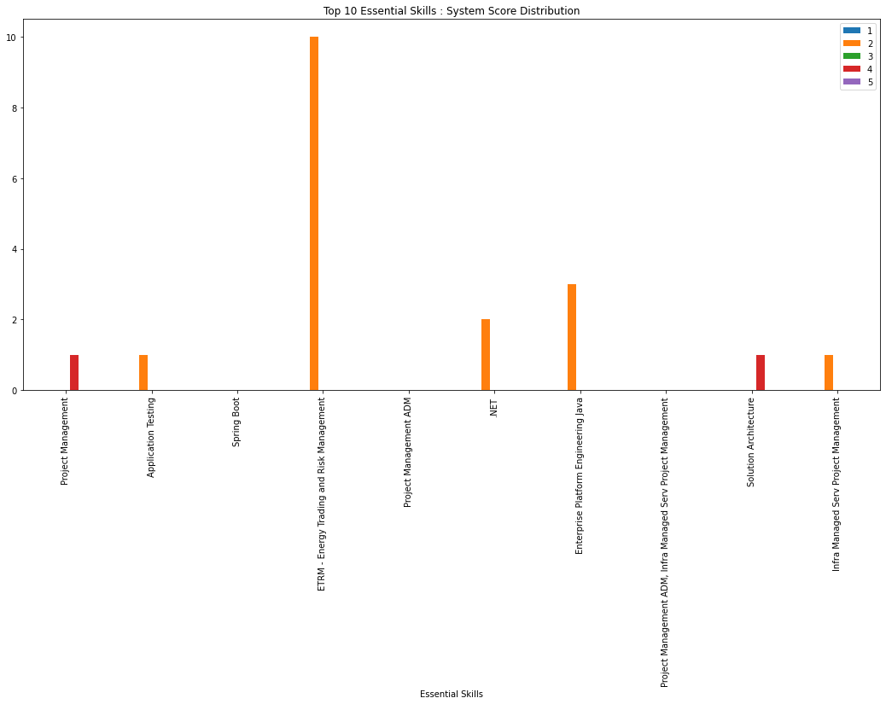
 | Top 10 Essesntial Skills : System Score Distribution
 | Essential Skills | 1 | 2 | 3 | 4 | 5 | Total
 | Project Management | 0 | 0 | 0 | 1 | 0 | 1
 | Application Testing | 0 | 1 | 0 | 0 | 0 | 1
 | Spring Boot | 0 | 0 | 0 | 0 | 0 | 0
 | ETRM - Energy Trading and Risk Management | 0 | 10 | 0 | 0 | 0 | 10
 | Project Management ADM | 0 | 0 | 0 | 0 | 0 | 0
 | .NET | 0 | 2 | 0 | 0 | 0 | 2
 | Enterprise Platform Engineering Java | 0 | 3 | 0 | 0 | 0 | 3
 | Project Management ADM, Infra Managed Serv Project Management | 0 | 0 | 0 | 0 | 0 | 0
 | Solution Architecture | 0 | 0 | 0 | 1 | 0 | 1
 | Infra Managed Serv Project Management | 0 | 1 | 0 | 0 | 0 | 1
 | Total | 0 | 17 | 0 | 2 | 0 | 19
 | % of Total Valid for top 10 skills | 0.0% | 21.0% | 0.0% | 2.5% | 0.0% | 23.5%

 | EUROPE

 | TOP 10 Essential Skill Analysis
 | Essential Skills | transactions | Valid | Valid as % of total for Geo | Invalid | Invalid as % of total for Geo | valid+similar | Valid+Similar as % of Total Valid for Geo | Valid+Non-similar | Valid+Non-similar as % of Total Valid for Geo
 | ITIL Incident Mgmt | 9 | 6 | 66.7% | 3 | 33.3% | 6 | 100.0% | 0 | 0.0%
 | Test Project Management | 5 | 2 | 40.0% | 3 | 60.0% | 2 | 100.0% | 0 | 0.0%
 | Project Management | 5 | 0 | 0.0% | 5 | 100.0% | 0 | 0.0% | 0 | 0.0%
 | Agile-Scrum | 4 | 1 | 25.0% | 3 | 75.0% | 0 | 0.0% | 1 | 100.0%
 | React JS | 4 | 2 | 50.0% | 2 | 50.0% | 2 | 100.0% | 0 | 0.0%
 | Selenium | 4 | 1 | 25.0% | 3 | 75.0% | 1 | 100.0% | 0 | 0.0%
 | Infra SI Project Management | 3 | 1 | 33.3% | 2 | 66.7% | 1 | 100.0% | 0 | 0.0%
 | .NET | 3 | 1 | 33.3% | 2 | 66.7% | 1 | 100.0% | 0 | 0.0%
 | Tivoli Backup | 2 | 0 | 0.0% | 2 | 100.0% | 0 | 0.0% | 0 | 0.0%
 | VAPT - VULNERABILITY ASSESSMENT AND PENETRATION TESTING | 2 | 0 | 0.0% | 2 | 100.0% | 0 | 0.0% | 0 | 0.0%
 | Total | 41 | 14 | 34.1% | 27 | 65.9% | 13 | 92.9% | 1 | 7.1%

Valid

 | Top 10 Essential Skill : System Score Distribution
 | Essential Skills | 1 | 2 | 3 | 4 | 5 | Total
 | ITIL Incident Mgmt | 0 | 0 | 3 | 3 | 0 | 6
 | Test Project Management | 0 | 0 | 1 | 1 | 0 | 2
 | Project Management | 0 | 0 | 0 | 0 | 0 | 0
 | Agile-Scrum | 0 | 1 | 0 | 0 | 0 | 1
 | React JS | 0 | 0 | 2 | 0 | 0 | 2
 | Selenium | 0 | 0 | 1 | 0 | 0 | 1
 | Infra SI Project Management | 0 | 0 | 1 | 0 | 0 | 1
 | .NET | 0 | 0 | 1 | 0 | 0 | 1
 | Tivoli Backup | 0 | 0 | 0 | 0 | 0 | 0
 | VAPT - VULNERABILITY ASSESSMENT AND PENETRATION TESTING | 0 | 0 | 0 | 0 | 0 | 0
 | Total | 0 | 1 | 9 | 4 | 0 | 14

Valid & Similar

 | Top 10 Essential Skill : System Score Distribution
 | Essential Skills | 1 | 2 | 3 | 4 | 5 | Total
 | ITIL Incident Mgmt | 0 | 0 | 3 | 3 | 0 | 6
 | Test Project Management | 0 | 0 | 1 | 1 | 0 | 2
 | Project Management | 0 | 0 | 0 | 0 | 0 | 0
 | Agile-Scrum | 0 | 0 | 0 | 0 | 0 | 0
 | React JS | 0 | 0 | 2 | 0 | 0 | 2
 | Selenium | 0 | 0 | 1 | 0 | 0 | 1
 | Infra SI Project Management | 0 | 0 | 1 | 0 | 0 | 1
 | .NET | 0 | 0 | 1 | 0 | 0 | 1
 | Tivoli Backup | 0 | 0 | 0 | 0 | 0 | 0
 | VAPT - VULNERABILITY ASSESSMENT AND PENETRATION TESTING | 0 | 0 | 0 | 0 | 0 | 0
 | Total | 0 | 0 | 9 | 4 | 0 | 13

Valid & Non-similar

 | Top 10 Essential Skill : System Score Distribution

 | Essential Skills | 1 | 2 | 3 | 4 | 5 | Total
 | ITIL Incident Mgmt | 0 | 0 | 0 | 0 | 0 | 0
 | Test Project Management | 0 | 0 | 0 | 0 | 0 | 0
 | Project Management | 0 | 0 | 0 | 0 | 0 | 0
 | Agile-Scrum | 0 | 1 | 0 | 0 | 0 | 1
 | React JS | 0 | 0 | 0 | 0 | 0 | 0
 | Selenium | 0 | 0 | 0 | 0 | 0 | 0
 | Infra SI Project Management | 0 | 0 | 0 | 0 | 0 | 0
 | .NET | 0 | 0 | 0 | 0 | 0 | 0
 | Tivoli Backup | 0 | 0 | 0 | 0 | 0 | 0
 | VAPT - VULNERABILITY ASSESSMENT AND PENETRATION TESTING | 0 | 0 | 0 | 0 | 0 | 0
 | Total | 0 | 1 | 0 | 0 | 0 | 1

Rejection Analysis
 | REJECTION ANALYSIS

 | Valid Rejection Analysis
 | Similarity | Rejections (with reason) | As % of Total Valid | As % of Valid wth rejection reason
 | Non-similar | 583 | 15.1% | 27.8%
 | similar | 1516 | 39.2% | 72.2%
 | Total | 2099 | 54.3% | 100.0%

 | Top 5 Rejection Reason Analysis
 | Rejected Reason | Valid | As a % of total valid | As % of total transactions | invalid | valid & similar | Valid & similar as % of total valid for rejected reason | Valid & similar as % of total transactions | valid & Non-similar | Valid & non-similar as % of total valid for rejected reason | Valid & non-similar as % of total transactions | Valid & Similar as % of Valid with rejection reason | Valid & Non-similar as % of Valid with rejection reason
 | SYSTEM REJECT - EMPLOYEE ALLOCATED | 868 | 22.5% | 11.3% | 764 | 621 | 71.5% | 8.1% | 247 | 28.5% | 3.2% | 29.6% | 11.8%
 | TECHNICAL REJECT (TECHNICAL SKILLS NOT UP TO MARK) | 338 | 8.7% | 4.4% | 299 | 288 | 85.2% | 3.8% | 50 | 14.8% | 0.7% | 13.7% | 2.4%
 | Screen Reject by Customer | 274 | 7.1% | 3.6% | 226 | 194 | 70.8% | 2.5% | 80 | 29.2% | 1.0% | 9.2% | 3.8%
 | CLIENT HAS DROPPED THE ORDER/NOT CONFIRMED THE ORDER YET | 244 | 6.3% | 3.2% | 280 | 168 | 68.9% | 2.2% | 76 | 31.1% | 1.0% | 8.0% | 3.6%
 | EMPLOYEE NOT INTERESTED IN THIS ASSIGNMENT | 157 | 4.1% | 2.0% | 187 | 116 | 73.9% | 1.5% | 41 | 26.1% | 0.5% | 5.5% | 2.0%
 | Total | 1881 | 48.7% | 24.5% | 1756 | 1387 | 73.7% | 18.1% | 494 | 26.3% | 6.4% | 66.1% | 23.5%

Valid

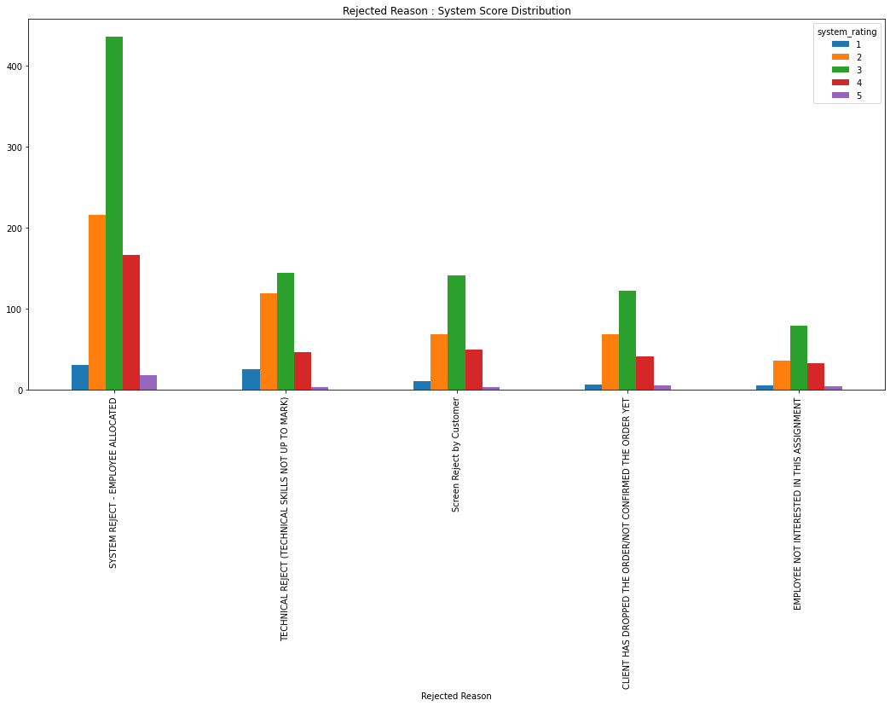
 | Rejected Reason : System Score Distribution
 | Rejected Reason | 1 | 2 | 3 | 4 | 5 | Total
 | SYSTEM REJECT - EMPLOYEE ALLOCATED | 31 | 216 | 436 | 167 | 18 | 868
 | TECHNICAL REJECT (TECHNICAL SKILLS NOT UP TO MARK) | 25 | 119 | 144 | 47 | 3 | 338
 | Screen Reject by Customer | 11 | 69 | 141 | 50 | 3 | 274
 | CLIENT HAS DROPPED THE ORDER/NOT CONFIRMED THE ORDER YET | 7 | 69 | 122 | 41 | 5 | 244
 | EMPLOYEE NOT INTERESTED IN THIS ASSIGNMENT | 5 | 36 | 79 | 33 | 4 | 157
 | Total | 79 | 509 | 922 | 338 | 33 | 1881

Valid & similar

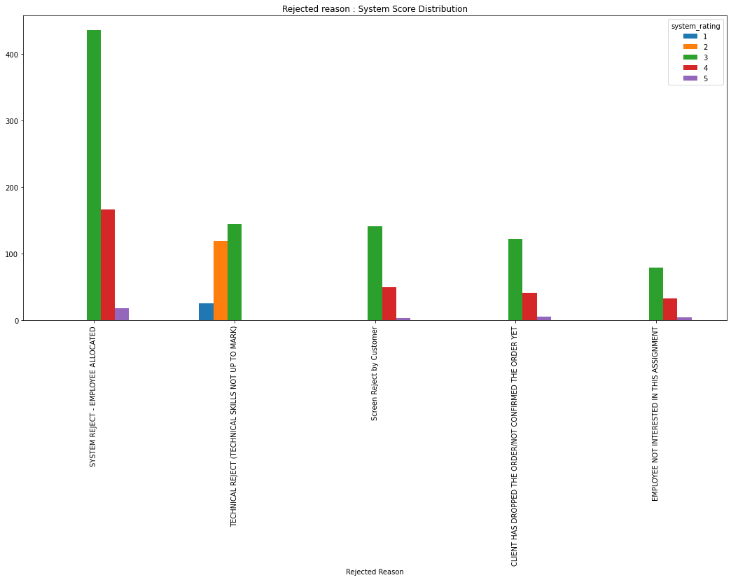
 | Rejected Reason : System Score Distribution
 | Rejected Reason | 1 | 2 | 3 | 4 | 5 | Total
 | SYSTEM REJECT - EMPLOYEE ALLOCATED | 0 | 0 | 436 | 167 | 18 | 621
 | TECHNICAL REJECT (TECHNICAL SKILLS NOT UP TO MARK) | 25 | 119 | 144 | 0 | 0 | 288
 | Screen Reject by Customer | 0 | 0 | 141 | 50 | 3 | 194
 | CLIENT HAS DROPPED THE ORDER/NOT CONFIRMED THE ORDER YET | 0 | 0 | 122 | 41 | 5 | 168
 | EMPLOYEE NOT INTERESTED IN THIS ASSIGNMENT | 0 | 0 | 79 | 33 | 4 | 116
 | Total | 25 | 119 | 922 | 291 | 30 | 1387
 | % of Total Valid Rejections(with reason) | 1.2% | 5.7% | 43.9% | 13.9% | 1.4% | 66.1%

Valid & non-similar

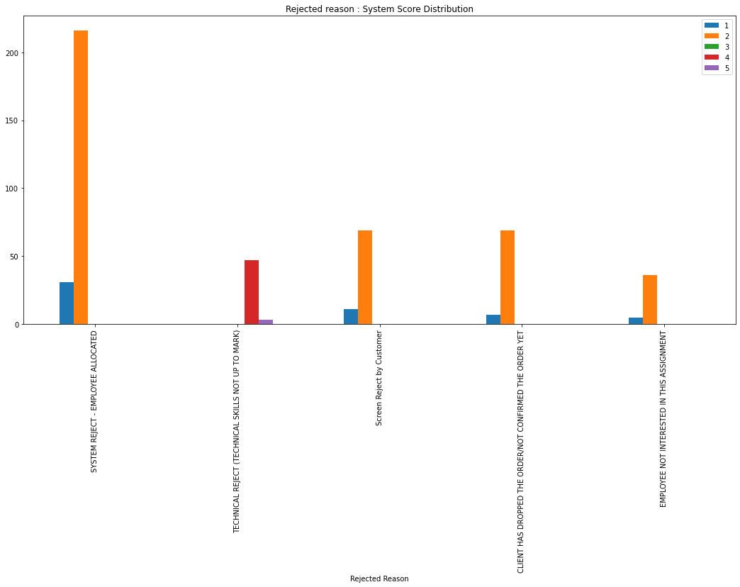
 | Rejected reason : System Score Distribution
 | Rejected Reason | 1 | 2 | 3 | 4 | 5 | Total
 | SYSTEM REJECT - EMPLOYEE ALLOCATED | 31 | 216 | 0 | 0 | 0 | 247
 | TECHNICAL REJECT (TECHNICAL SKILLS NOT UP TO MARK) | 0 | 0 | 0 | 47 | 3 | 50
 | Screen Reject by Customer | 11 | 69 | 0 | 0 | 0 | 80
 | CLIENT HAS DROPPED THE ORDER/NOT CONFIRMED THE ORDER YET | 7 | 69 | 0 | 0 | 0 | 76
 | EMPLOYEE NOT INTERESTED IN THIS ASSIGNMENT | 5 | 36 | 0 | 0 | 0 | 41
 | Total | 54 | 390 | 0 | 47 | 3 | 494
 | % of Total Valid Rejections(with reason) | 2.6% | 18.6% | 0.0% | 2.2% | 0.1% | 23.5%

 | TECHNICAL REJECT (TECHNICAL SKILLS NOT UP TO MARK)

 | System Score : Similarity Analysis
 | System Rating | Non-similar | similar | Total | Similar as % of total valid similar tech reject | Non-siimilar as % of total valid non-similar tech reject
 | 1 | 0 | 25 | 25 | 8.7% | 0.0%
 | 2 | 0 | 119 | 119 | 41.3% | 0.0%
 | 3 | 0 | 144 | 144 | 50.0% | 0.0%
 | 4 | 47 | 0 | 47 | 0.0% | 94.0%
 | 5 | 3 | 0 | 3 | 0.0% | 6.0%
 | Total | 50 | 288 | 338 | 100.0% | 100.0%

 | Top 10 skills for valid transaction
 | Essential Skills | transactions | Valid | valid as a % of total for skill | invalid | invalid as a % of total for skill | valid+similar | valid + Similar as % of valid for skill | valid+Non-similar | valid+Non-similar as % of valid for skill | Valid Trans for Skill as % of Total Valid
 | Selenium | 52 | 33 | 63.5% | 19 | 36.5% | 22 | 66.7% | 11 | 33.3% | 0.9%
 | .NET | 46 | 21 | 45.7% | 25 | 54.3% | 12 | 57.1% | 9 | 42.9% | 0.5%
 | ETRM - Energy Trading and Risk Management | 26 | 19 | 73.1% | 7 | 26.9% | 19 | 100.0% | 0 | 0.0% | 0.5%
 | Application Testing | 44 | 18 | 40.9% | 26 | 59.1% | 14 | 77.8% | 4 | 22.2% | 0.5%
 | Java-J2EE | 31 | 18 | 58.1% | 13 | 41.9% | 14 | 77.8% | 4 | 22.2% | 0.5%
 | Core Java | 19 | 10 | 52.6% | 9 | 47.4% | 9 | 90.0% | 1 | 10.0% | 0.3%
 | React JS | 14 | 9 | 64.3% | 5 | 35.7% | 8 | 88.9% | 1 | 11.1% | 0.2%
 | Spring Boot | 18 | 8 | 44.4% | 10 | 55.6% | 8 | 100.0% | 0 | 0.0% | 0.2%
 | C# - CSharp-Programming | 16 | 8 | 50.0% | 8 | 50.0% | 6 | 75.0% | 2 | 25.0% | 0.2%
 | Tableau | 7 | 6 | 85.7% | 1 | 14.3% | 6 | 100.0% | 0 | 0.0% | 0.2%
 | Total | 273 | 150 | 54.9% | 123 | 45.1% | 118 | 78.7% | 32 | 21.3% | 3.9%

Valid

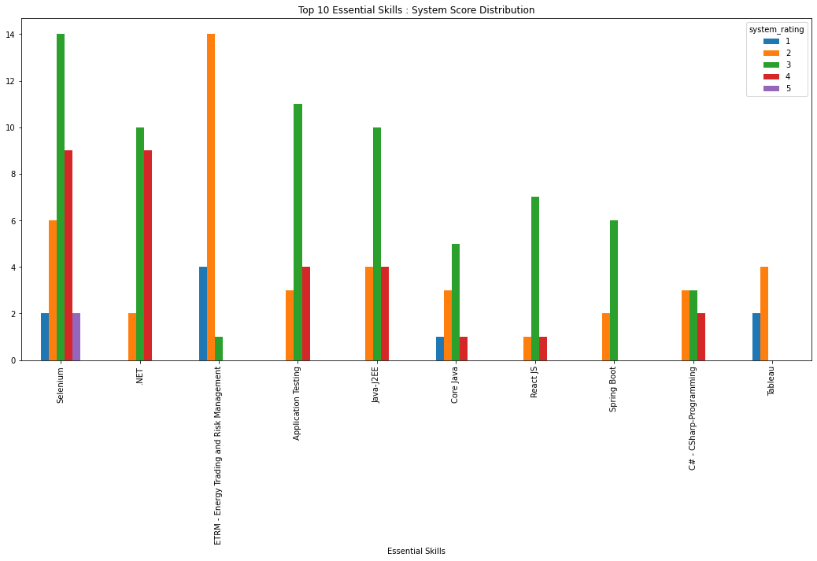
 | Top 10 Essential Skills : System Score Distribution
 | Essential Skills | 1 | 2 | 3 | 4 | 5 | Total
 | Selenium | 2 | 6 | 14 | 9 | 2 | 33
 | .NET | 0 | 2 | 10 | 9 | 0 | 21
 | ETRM - Energy Trading and Risk Management | 4 | 14 | 1 | 0 | 0 | 19
 | Application Testing | 0 | 3 | 11 | 4 | 0 | 18
 | Java-J2EE | 0 | 4 | 10 | 4 | 0 | 18
 | Core Java | 1 | 3 | 5 | 1 | 0 | 10
 | React JS | 0 | 1 | 7 | 1 | 0 | 9
 | Spring Boot | 0 | 2 | 6 | 0 | 0 | 8
 | C# - CSharp-Programming | 0 | 3 | 3 | 2 | 0 | 8
 | Tableau | 2 | 4 | 0 | 0 | 0 | 6
 | Total | 9 | 42 | 67 | 30 | 2 | 150
 | As % of Total Valid Technical Rejects | 2.7% | 12.4% | 19.8% | 8.9% | 0.6% | 44.4%

Valid and similar

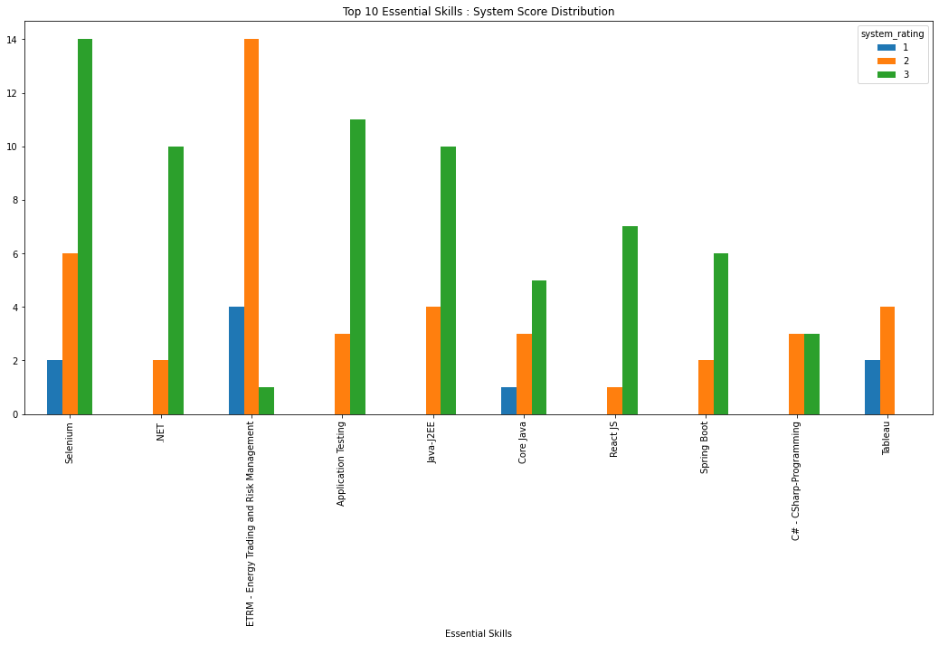
 | Top 10 Essential Skills : System Score Distribution
 | Essential Skills | 1 | 2 | 3 | Total
 | Selenium | 2 | 6 | 14 | 22
 | .NET | 0 | 2 | 10 | 12
 | ETRM - Energy Trading and Risk Management | 4 | 14 | 1 | 19
 | Application Testing | 0 | 3 | 11 | 14
 | Java-J2EE | 0 | 4 | 10 | 14
 | Core Java | 1 | 3 | 5 | 9
 | React JS | 0 | 1 | 7 | 8
 | Spring Boot | 0 | 2 | 6 | 8
 | C# - CSharp-Programming | 0 | 3 | 3 | 6
 | Tableau | 2 | 4 | 0 | 6
 | Total | 9 | 42 | 67 | 118
 | As % of Total Valid Technical Rejects | 2.7% | 12.4% | 19.8% | 34.9%

Valid and Non-similar

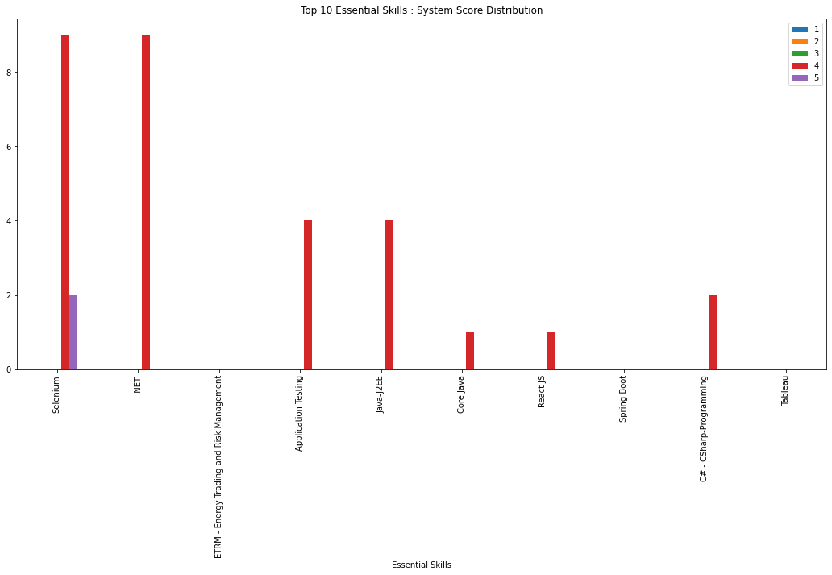
 | Top 10 Essential Skills : System Score Distribution
 | Essential Skills | 1 | 2 | 3 | 4 | 5 | Total
 | Selenium | 0 | 0 | 0 | 9 | 2 | 11
 | .NET | 0 | 0 | 0 | 9 | 0 | 9
 | ETRM - Energy Trading and Risk Management | 0 | 0 | 0 | 0 | 0 | 0
 | Application Testing | 0 | 0 | 0 | 4 | 0 | 4
 | Java-J2EE | 0 | 0 | 0 | 4 | 0 | 4
 | Core Java | 0 | 0 | 0 | 1 | 0 | 1
 | React JS | 0 | 0 | 0 | 1 | 0 | 1
 | Spring Boot | 0 | 0 | 0 | 0 | 0 | 0
 | C# - CSharp-Programming | 0 | 0 | 0 | 2 | 0 | 2
 | Tableau | 0 | 0 | 0 | 0 | 0 | 0
 | Total | 0 | 0 | 0 | 30 | 2 | 32
 | As % of Total Valid Technical Rejects | 0.0% | 0.0% | 0.0% | 8.9% | 0.6% | 9.5%

Allocation Analysis
 | ALLOCATION ANALYSIS - TRANSACTIONAL DATA

 | Proposed Transaction Analysis
 | index | total_transactions | Valid | valid as a % of total | invalid | invalid as a % of total | valid+similar | Valid + Similar as % of valid allocation | valid+Non-similar | Valid + Non-similar as % of valid allocations
 | transactions | 7673 | 3864 | 50.4 | 3809 | 49.6 | 2717 | 70.3 | 1147 | 29.7
 | proposed | 7673 | 3864 | 50.4 | 3809 | 49.6 | 2717 | 70.3 | 1147 | 29.7

 | Allocation Analysis
 | Allocation Flag | total_transactions | Valid | valid as a % of total | invalid | invalid as a % of total | valid+similar | Valid + Similar as % of valid allocation | valid+Non-similar | Valid + Non-similar as % of valid allocations
 | allocated | 36 | 24 | 66.7 | 12 | 33.3 | 21 | 87.5 | 3 | 12.5
 | not allocated | 7637 | 3840 | 50.3 | 3797 | 49.7 | 2696 | 70.2 | 1144 | 29.8
 | Proposal to Allocation Ratio | 213.1 | 161 | Na | 317.4 | Na | 129.4 | Na | 382.3 | Na

 | Rejection Analysis
 | Rejection Flag | total | Valid | valid as a % of total | invalid | invalid as a % of total | valid+similar | Valid + Similar as % of valid allocation | valid+Non-similar | Valid + Non-similar as % of valid allocations
 | not rejected | 3570 | 1765 | 49.4% | 1805 | 50.6% | 1201 | 68.0% | 564 | 32.0%
 | rejected | 4103 | 2099 | 51.2% | 2004 | 48.8% | 1516 | 72.2% | 583 | 27.8%

Valid
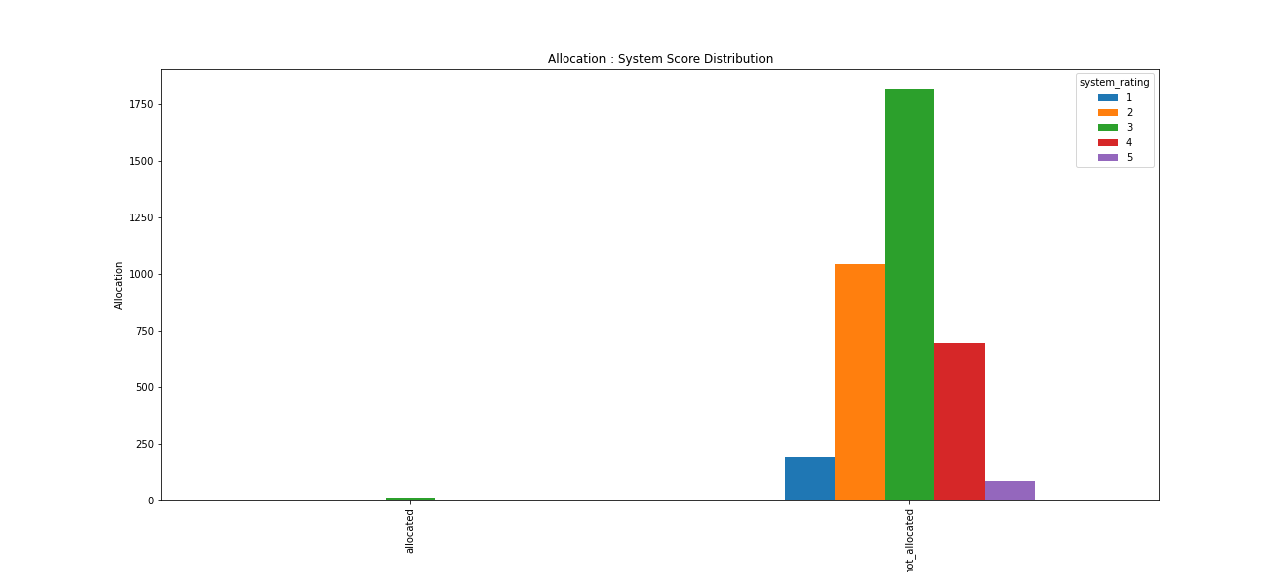
 | Allocation : System Score Distribution
 | Allocation Flag | 1 | 2 | 3 | 4 | 5 | Total
 | allocated | 0 | 3 | 15 | 5 | 1 | 24
 | not allocated | 194 | 1044 | 1817 | 699 | 86 | 3840
 | Total | 194 | 1047 | 1832 | 704 | 87 | 3864
 | Allocated as % of total valid allocations for score | 0.0% | 12.5% | 62.5% | 20.8% | 4.2% | 100.0%

Valid & Similar
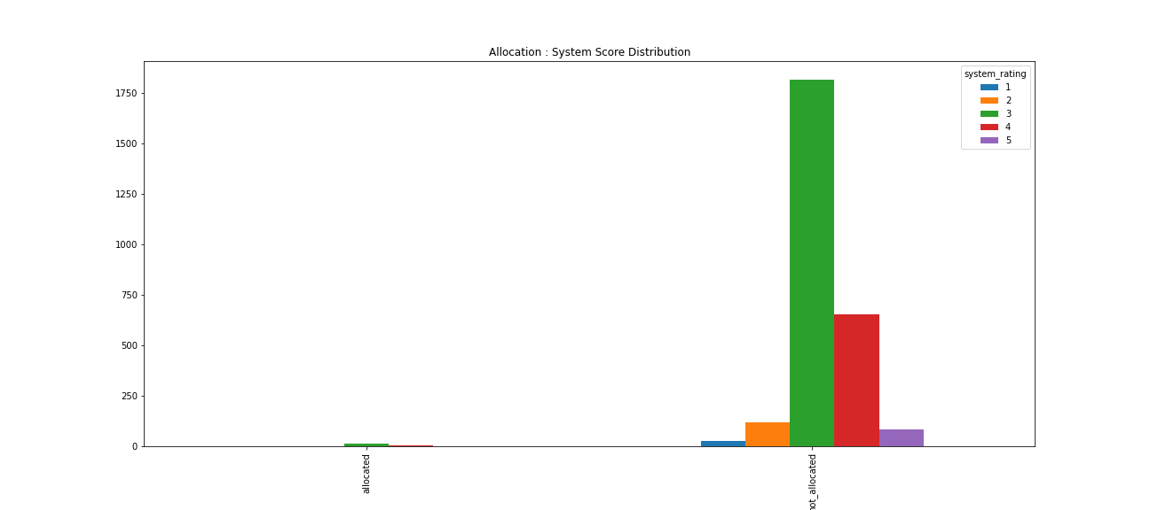

 | Allocation Flag | 1 | 2 | 3 | 4 | 5 | Total
 | allocated | 0 | 0 | 15 | 5 | 1 | 21
 | not allocated | 25 | 119 | 1817 | 652 | 83 | 2696
 | Total | 25 | 119 | 1832 | 657 | 84 | 2717
 | Allocated as % of total valid allocations for score | 0.0% | 0.0% | 62.5% | 20.8% | 4.2% | 87.5%

Valid & Non-similar
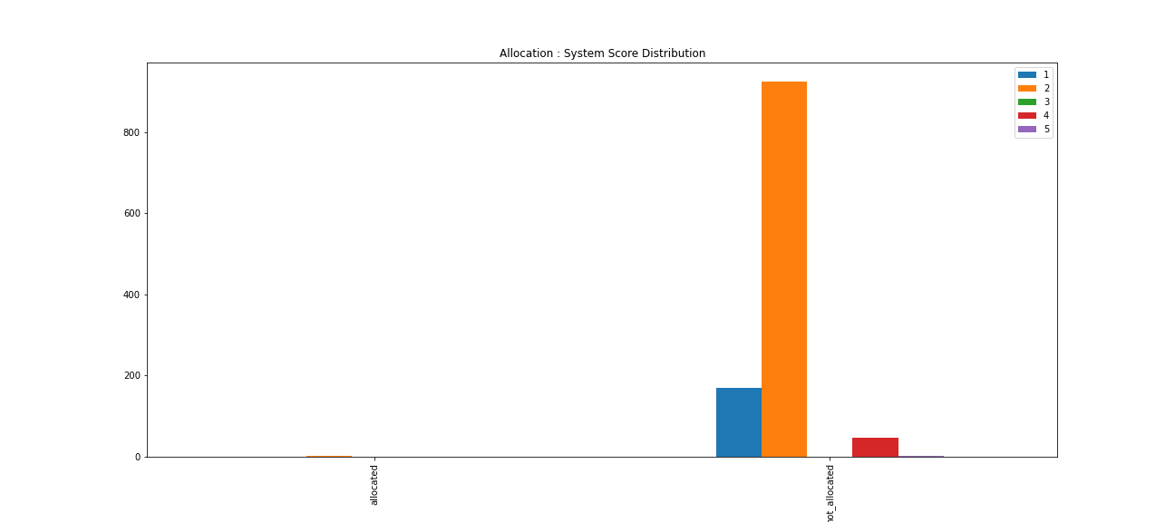

 | Allocation Flag | 1 | 2 | 3 | 4 | 5 | Total
 | allocated | 0 | 3 | 0 | 0 | 0 | 3
 | not allocated | 169 | 925 | 0 | 47 | 3 | 1144
 | Total | 169 | 928 | 0 | 47 | 3 | 1147
 | Allocated as % of total valid allocations for score | 0.0% | 12.5% | 0.0% | 0.0% | 0.0% | 12.5%

 | ALLOCATION ANALYSIS BY GEOGRAPHY

 | Allocation Analysis
 | COUNTRY | total | Allocated | not_allocated | allocated as a % of total | not-allocated as a % of total | allocated+valid | Allocated + Valid as % of Total Allocated | allocated+invalid | allocated+valid+similar | As % of Valid Allocations | allocated+valid+Non-similar | As % of Valid Allocated
 | EUROPE | 116 | 0 | 116 | 0.0% | 100.0% | 0 | 0.0% | 0 | 0 | 0.0% | 0 | 0
 | INDIA | 6900 | 35 | 6865 | 0.5% | 99.5% | 24 | 68.6% | 11 | 21 | 87.5% | 3 | 12.5
 | USA | 516 | 1 | 515 | 0.2% | 99.8% | 0 | 0.0% | 1 | 0 | 0.0% | 0 | 0
 | Total | 7532 | 36 | 7496 | 0.5% | 99.5% | 24 | 66.7% | 12 | 21 | 87.5% | 3 | 12.5

Valid & Allocated

 | Geography : System Score Distribution
 | COUNTRY | 1 | 2 | 3 | 4 | 5 | Total
 | INDIA | 0 | 3 | 15 | 5 | 1 | 24
 | Total | 0 | 3 | 15 | 5 | 1 | 24

Valid & Allocated & Similar

 | Geography : System Score Distribution
 | COUNTRY | 1 | 2 | 3 | 4 | 5 | Total
 | INDIA | 0 | 0 | 15 | 5 | 1 | 21
 | Total | 0 | 0 | 15 | 5 | 1 | 21

Valid & Allocated & Non-Similar

 | Geography: System Score Distribution
 | COUNTRY | 1 | 2 | 3 | 4 | 5 | Total
 | INDIA | 0 | 3 | 0 | 0 | 0 | 3
 | Total | 0 | 3 | 0 | 0 | 0 | 3

 | ALLOCATION ANALYSIS FOR TOP 10 ESSENTIAL SKILLS

 | Valid Allocations : Top 10 Essential Skills
 | Essential Skills | Valid transactions | allocated | As % of Total Valid Trans for Skill | valid+allocated+similar | as % of total valid allocations | valid+allocated+non-similar | As % of total valid allocations
 | Selenium | 346 | 3 | 0.9% | 3 | 100.0% | 0 | 0.0%
 | ASP.NET MVC 5 | 65 | 2 | 3.1% | 2 | 100.0% | 0 | 0.0%
 | Application Testing | 174 | 2 | 1.1% | 2 | 100.0% | 0 | 0.0%
 | React JS | 109 | 2 | 1.8% | 2 | 100.0% | 0 | 0.0%
 | .NET | 177 | 1 | 0.6% | 1 | 100.0% | 0 | 0.0%
 | DevOps Digital Rig | 8 | 1 | 12.5% | 1 | 100.0% | 0 | 0.0%
 | JIRA | 1 | 1 | 100.0% | 1 | 100.0% | 0 | 0.0%
 | Java-J2EE | 160 | 1 | 0.6% | 1 | 100.0% | 0 | 0.0%
 | Linux Admin | 28 | 1 | 3.6% | 1 | 100.0% | 0 | 0.0%
 | Mainframe | 14 | 1 | 7.1% | 1 | 100.0% | 0 | 0.0%
 | Total | 1082 | 15 | 1.4% | 15 | 100.0% | 0 | 0.0%

Allocated & Valid

 | Top 10 Essential Skills : System Score Distribution
 | Essential Skills | 1 | 2 | 3 | 4 | 5 | Total
 | Selenium | 0 | 0 | 2 | 1 | 0 | 3
 | ASP.NET MVC 5 | 0 | 0 | 2 | 0 | 0 | 2
 | Application Testing | 0 | 0 | 2 | 0 | 0 | 2
 | React JS | 0 | 0 | 1 | 1 | 0 | 2
 | .NET | 0 | 0 | 1 | 0 | 0 | 1
 | DevOps Digital Rig | 0 | 0 | 1 | 0 | 0 | 1
 | JIRA | 0 | 0 | 1 | 0 | 0 | 1
 | Java-J2EE | 0 | 0 | 0 | 1 | 0 | 1
 | Linux Admin | 0 | 0 | 1 | 0 | 0 | 1
 | Mainframe | 0 | 0 | 1 | 0 | 0 | 1
 | Total | 0 | 0 | 12 | 3 | 0 | 15

Allocated & Valid & Similar

 | Top 10 Essential Skills : System Score Distribution
 | Essential Skills | 1 | 2 | 3 | 4 | 5 | Total
 | Selenium | 0 | 0 | 2 | 1 | 0 | 3
 | ASP.NET MVC 5 | 0 | 0 | 2 | 0 | 0 | 2
 | Application Testing | 0 | 0 | 2 | 0 | 0 | 2
 | React JS | 0 | 0 | 1 | 1 | 0 | 2
 | .NET | 0 | 0 | 1 | 0 | 0 | 1
 | DevOps Digital Rig | 0 | 0 | 1 | 0 | 0 | 1
 | JIRA | 0 | 0 | 1 | 0 | 0 | 1
 | Java-J2EE | 0 | 0 | 0 | 1 | 0 | 1
 | Linux Admin | 0 | 0 | 1 | 0 | 0 | 1
 | Mainframe | 0 | 0 | 1 | 0 | 0 | 1
 | Total | 0 | 0 | 12 | 3 | 0 | 15

Allocated & Valid & Non-Similar

 | Top 10 Essential skills : System Score Distribution
 | Essential Skills | 1 | 2 | 3 | 4 | 5 | Total
 | Selenium | 0 | 0 | 0 | 0 | 0 | 0
 | ASP.NET MVC 5 | 0 | 0 | 0 | 0 | 0 | 0
 | Application Testing | 0 | 0 | 0 | 0 | 0 | 0
 | React JS | 0 | 0 | 0 | 0 | 0 | 0
 | .NET | 0 | 0 | 0 | 0 | 0 | 0
 | DevOps Digital Rig | 0 | 0 | 0 | 0 | 0 | 0
 | JIRA | 0 | 0 | 0 | 0 | 0 | 0
 | Java-J2EE | 0 | 0 | 0 | 0 | 0 | 0
 | Linux Admin | 0 | 0 | 0 | 0 | 0 | 0
 | Mainframe | 0 | 0 | 0 | 0 | 0 | 0
 | Total | 0 | 0 | 0 | 0 | 0 | 0

 | ALLOCATION ANALYSIS - ALLOCATION DATA

 | Allocation Analysis
 | index | count | percentage of total transactions
 | Total transactions | 7673 | 100.0%
 | Allocated | 36 | 0.5%
 | Total Supplies Proposed (for allocations) | 109 | 1.4%
 | Supplies Proposed but not allocated | 73 | 1.0%
 | Proposal to Allocation Ratio(Total Supplies Proposed for allocations/allocated) | 302.8 | 3.9%

 | Rejection Reasons: Supplies proposed but not allocated
 | Rejected Reason | count | percentage of total
 | Screen Reject by Customer | 30 | 41.1%
 | blank | 13 | 17.8%
 | EMPLOYEE NOT INTERESTED IN THIS ASSIGNMENT | 10 | 13.7%
 | SYSTEM REJECT - EMPLOYEE ALLOCATED | 8 | 11.0%
 | TECHNICAL REJECT (TECHNICAL SKILLS NOT UP TO MARK) | 6 | 8.2%
 | EMPLOYEE IS NOT REACHABLE / NOT RESPONDING TO EMAIL | 2 | 2.7%
 | CLIENT HAS DROPPED THE ORDER/NOT CONFIRMED THE ORDER YET | 1 | 1.4%
 | Communication Reject by Customer | 1 | 1.4%
 | EMPLOYEE GOING ON/ALREADY ON MATERNITY/LOP/SABBATICAL LEAVE | 1 | 1.4%
 | EMPLOYEE IS NOT RESPONDING TO CLIENT INTERVIEW SCHEDULE | 1 | 1.4%
 | Total | 73 | 100.0%

Proficiency Analysis
 | Proficiency Analysis

 | Overall analysis
 | index | count | Percentage of total
 | Total Transactions | 7673 | 100.0%
 | Total trans where supply has mandatory skill | 2616 | 34.1%
 | Transactions with mandatory skill in project skills | 2310 | 30.1%
 | Transactions with mandatory skill in recent project skills | 555 | 7.2%
 | Transactions with mandatory skills in certifications | 855 | 11.1%
 | Transactions with mandatory skills only in certifications | 289 | 3.8%

Mandatory Skill in Project Skill

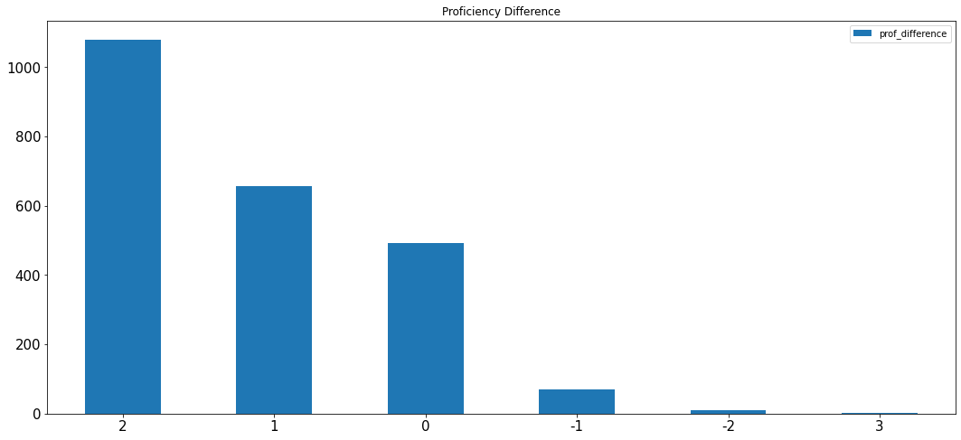
 | Proficiency Difference(demand prof-supply prof)
 | Proficiency Difference | count
 | 2 | 1080
 | 1 | 657
 | 0 | 492
 | -1 | 69
 | -2 | 10
 | 3 | 2
 | Total | 2310

 | Proficiency Level analysis
 | index | count | percentage of total | percentage of total transactions
 | Higher | 79 | 3.4% | 1.0%
 | Same | 492 | 21.3% | 6.4%
 | Lower | 1739 | 75.3% | 22.7%
 | Total | 2310 | 100.0% | 30.1%
 | N-1 | 492 | % | 6.4%

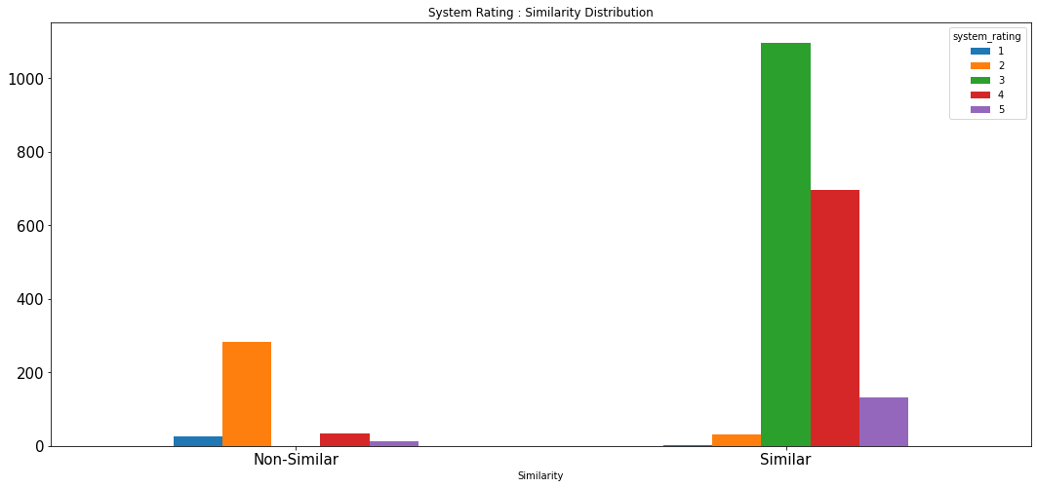
 | System Rating : Similarity Distribution
 | Similarity | 1 | 2 | 3 | 4 | 5 | Total
 | Non-Similar | 25 | 283 | 0 | 34 | 12 | 354
 | Similar | 1 | 30 | 1097 | 695 | 133 | 1956
 | Total | 26 | 313 | 1097 | 729 | 145 | 2310

 | Rejection : Prof Difference Distribution
 | Rejection Flag | -2 | -1 | 0 | 1 | 2 | 3 | Total
 | not_rejected | 7 | 37 | 233 | 345 | 500 | 2 | 1124
 | rejected | 3 | 32 | 259 | 312 | 580 | 0 | 1186

 | Allocation : Prof Difference Distribution
 | Allocation Flag | -2 | -1 | 0 | 1 | 2 | 3 | Total
 | allocated | 0 | 2 | 5 | 2 | 3 | 0 | 12
 | not_allocated | 10 | 67 | 487 | 655 | 1077 | 2 | 2298

 | Top Essential Skills : Prof Difference Distribution (For Unique Demands)
 | Essential Skills | -2 | -1 | 0 | 1 | 2 | Total
 | Selenium | 0 | 1 | 24 | 34 | 94 | 153
 | Core Java | 0 | 2 | 28 | 16 | 38 | 84
 | Java-J2EE | 0 | 0 | 16 | 25 | 41 | 82
 | Application Testing | 0 | 0 | 15 | 33 | 30 | 78
 | Spring Boot | 0 | 0 | 2 | 16 | 58 | 76

 | Top Essential Skills : % of Total for Skill
 | Essential Skills | -2 | -1 | 0 | 1 | 2 | Total
 | Selenium | 0.0% | 0.7% | 15.7% | 22.2% | 61.4% | 100.0%
 | Core Java | 0.0% | 2.4% | 33.3% | 19.0% | 45.2% | 100.0%
 | Java-J2EE | 0.0% | 0.0% | 19.5% | 30.5% | 50.0% | 100.0%
 | Application Testing | 0.0% | 0.0% | 19.2% | 42.3% | 38.5% | 100.0%
 | Spring Boot | 0.0% | 0.0% | 2.6% | 21.1% | 76.3% | 100.0%

Mandatory Skill in Certification

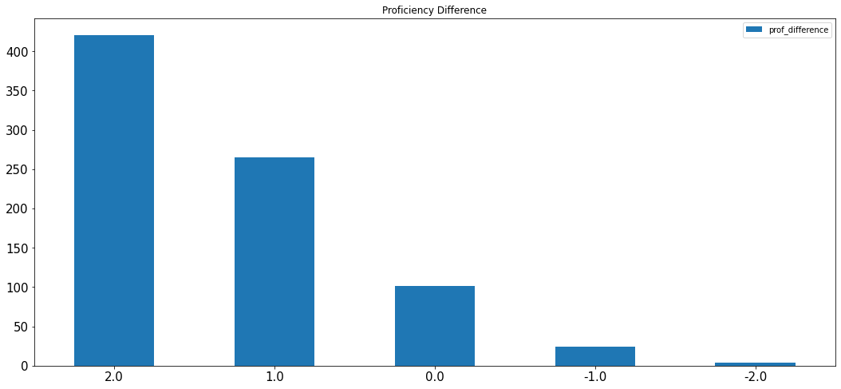
 | Proficiency Difference(demand prof-supply prof)
 | Proficiency Difference | count
 | 2 | 421
 | 1 | 265
 | 0 | 101
 | -1 | 24
 | -2 | 4
 | Total | 815

 | Proficiency Level analysis
 | index | count | percentage of total | percentage of total transactions
 | Higher | 28 | 3.4% | 0.4%
 | Same | 101 | 12.4% | 1.3%
 | Lower | 686 | 84.2% | 8.9%
 | Total | 815 | 100.0% | 10.6%
 | N-1 | 101 | % | 1.3%

 | Mandatory Skill Present In Supply Project (For all mandatory skill present in certificate)
 | 1 | 2 | 3 | 4 | 5
 | 6 | 59 | 151 | 62 | 11
 | 2 | 71 | 207 | 227 | 59

Mandatory Skill in Recent Project

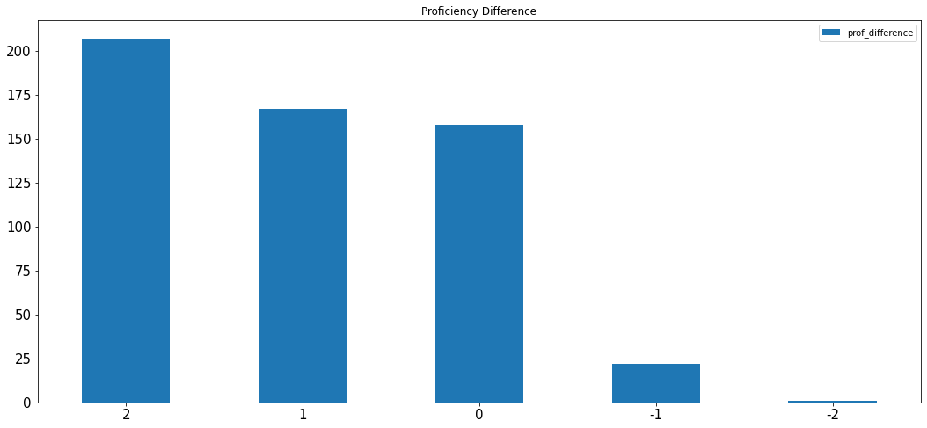
 | Proficiency Difference(demand prof-supply prof)
 | Proficiency Difference | count
 | 2 | 207
 | 1 | 167
 | 0 | 158
 | -1 | 22
 | -2 | 1
 | Total | 555

 | Proficiency Level analysis
 | index | count | percentage of total | percentage of total transactions
 | Higher | 23 | 4.1% | 0.3%
 | Same | 158 | 28.5% | 2.1%
 | Lower | 374 | 67.4% | 4.9%
 | Total | 555 | 100.0% | 7.2%
 | N-1 | 158 | % | 2.1%

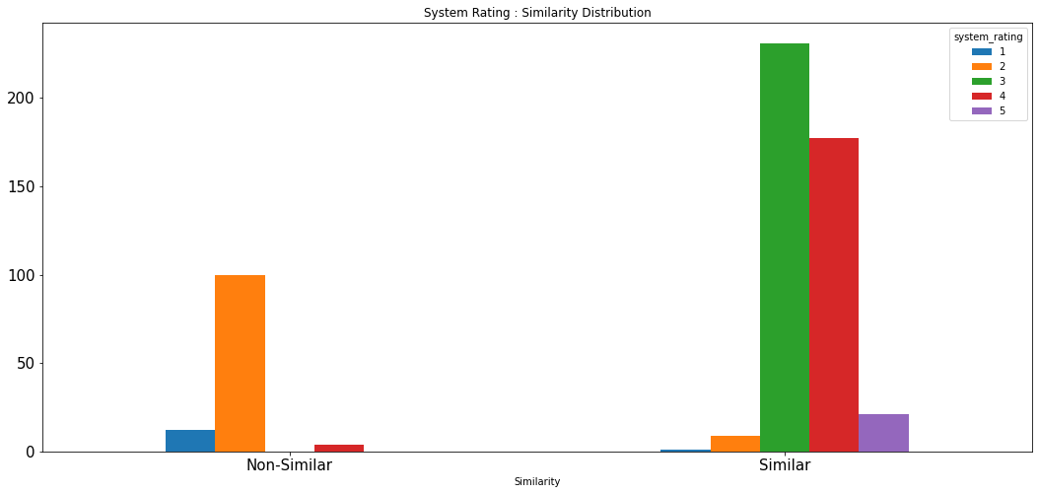
 | System Rating : Similarity Distribution
 | Similarity | 1 | 2 | 3 | 4 | 5 | Total
 | Non-Similar | 12 | 100 | 0 | 4 | 0 | 116
 | Similar | 1 | 9 | 231 | 177 | 21 | 439
 | Total | 13 | 109 | 231 | 181 | 21 | 555

 | Rejection : Prof Difference Distribution
 | Rejection Flag | -2 | -1 | 0 | 1 | 2 | Total
 | not_rejected | 1 | 16 | 69 | 91 | 109 | 286
 | rejected | 0 | 6 | 89 | 76 | 98 | 269

 | Allocation : Prof Difference Distribution
 | Allocation Flag | -2 | -1 | 0 | 1 | 2 | Total
 | allocated | 0 | 1 | 3 | 0 | 2 | 6
 | not_allocated | 1 | 21 | 155 | 167 | 205 | 549

Profile Completness Analysis
 | Profile Completness Analysis
 |  |  |  |  |  |  |  | Employee Status Distribution
 | Employee Status Distribution
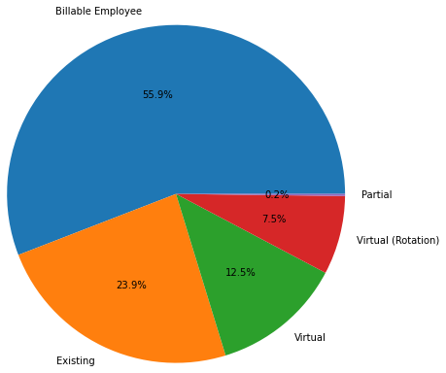
 | employee status | count
 | Billable Employee | 45398
 | Existing | 19390
 | Virtual | 10176
 | Virtual (Rotation) | 6121
 | Partial | 161
 | Total | 81246

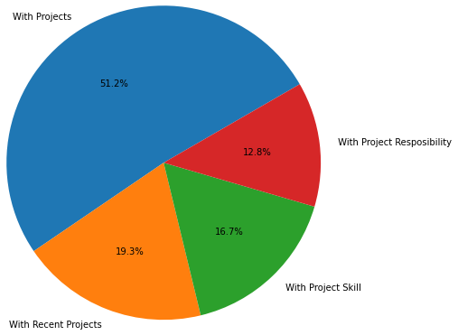
 |  |  |  |  |  |  |  | Employee Status: Project Analysis
 | Employee Status: Project Analysis
 | Employee Status: | Billable Employee | Existing | Virtual | Virtual (Rotation) | Partial | Total
 | Total | 45398 | 19390 | 10176 | 6121 | 161 | 81246
 | With Projects | 35386 | 4208 | 7220 | 5284 | 126 | 52224
 | With Recent Projects | 13731 | 1316 | 2657 | 1940 | 31 | 19675
 | With Project Skill | 12061 | 972 | 2281 | 1696 | 22 | 17032
 | With Project Resposibility | 9311 | 786 | 1734 | 1261 | 16 | 13108

 | Employee Status Analysis : Percentage Equivalency
 | Employee Status | Billable Employee | Existing | Partial | Virtual | Virtual (Rotation) | Total
 | Total | 100.0% | 100.0% | 100.0% | 100.0% | 100.0% | 100.0%
 | With Projects | 77.9% | 21.7% | 78.3% | 71.0% | 86.3% | 64.3%
 | With Recent Projects | 30.2% | 6.8% | 19.3% | 26.1% | 31.7% | 24.2%
 | With Project Skill | 26.6% | 5.0% | 13.7% | 22.4% | 27.7% | 21.0%
 | With Project Resposibility | 20.5% | 4.1% | 9.9% | 17.0% | 20.6% | 16.1%

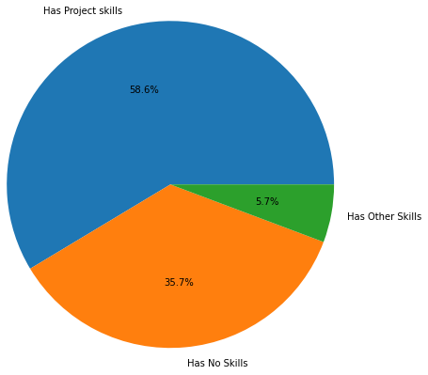
 |  |  |  |  |  |  |  | Employee Status: Skill Analysis
 | Employee Status: Skill Analysis
 | Employee Status: | Billable Employee | Existing | Partial | Virtual | Virtual (Rotation) | Total
 | Has Project skills | 32512 | 3594 | 113 | 6570 | 4835 | 47624
 | Has No Skills | 9903 | 15279 | 36 | 2979 | 776 | 28973
 | Has Other Skills | 2983 | 517 | 12 | 627 | 510 | 4649
 | Total | 45398 | 19390 | 161 | 10176 | 6121 | 81246

 | Employee Status: Skill Analysis Percentage Equivalency
 | Employee Status: | Billable Employee | Existing | Partial | Virtual | Virtual (Rotation) | Total
 | Has Project skills | 71.6% | 18.5% | 70.2% | 64.6% | 79.0% | 58.6%
 | Has No Skills | 21.8% | 78.8% | 22.4% | 29.3% | 12.7% | 35.7%
 | Has Other Skills | 6.6% | 2.7% | 7.5% | 6.2% | 8.3% | 5.7%
 | Total | 100.0% | 100.0% | 100.0% | 100.0% | 100.0% | 100.0%

Project & Skills Distribution

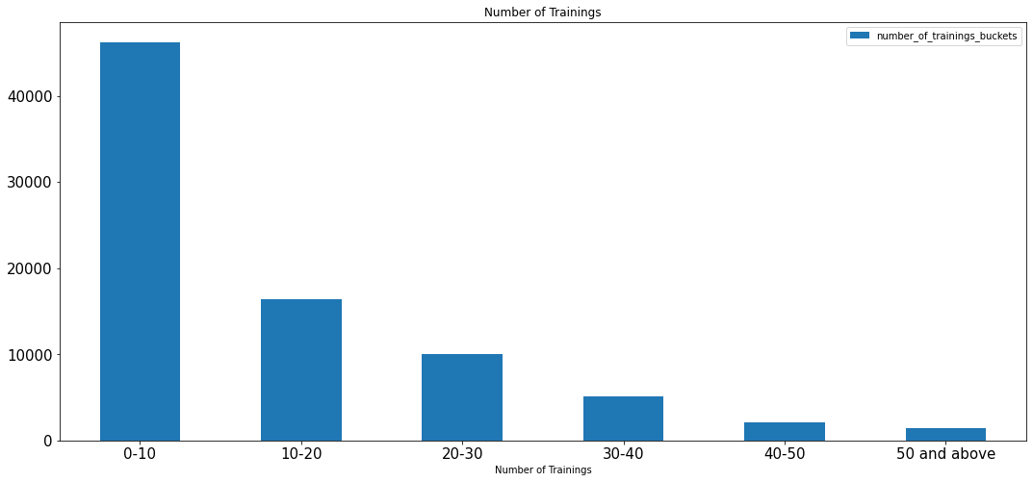
 | Number Of Trainings
 | Number of Trainings | Supplies
 | 0-10 | 46246
 | 10-20 | 16401
 | 20-30 | 10002
 | 30-40 | 5088
 | 40-50 | 2095
 | 50 and above | 1414
 | Total | 81246

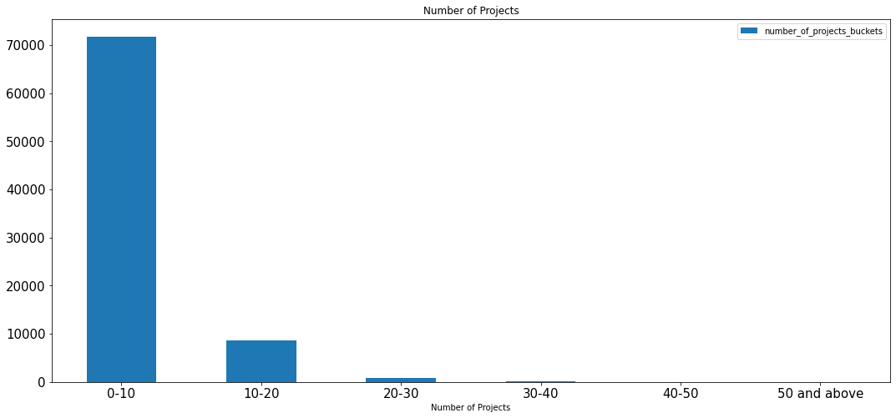
 | Number Of Projects
 | Number of Projects | Supplies
 | 0-10 | 71763
 | 10-20 | 8584
 | 20-30 | 798
 | 30-40 | 76
 | 40-50 | 14
 | 50 and above | 11
 | Total | 81246

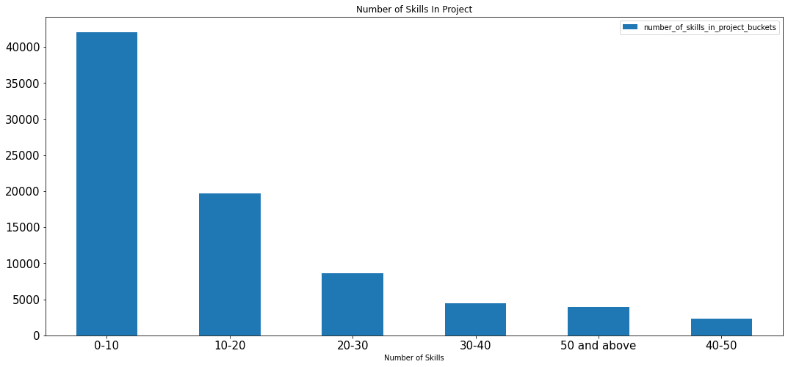
 | Number Of Skills In Project
 | Number of Skills | Supplies
 | 0-10 | 42087
 | 10-20 | 19716
 | 20-30 | 8630
 | 30-40 | 4492
 | 40-50 | 2361
 | 50 and above | 3960
 | Total | 81246

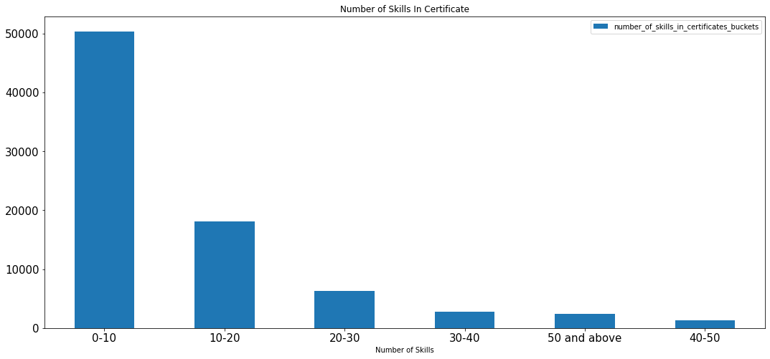
 | Number Of Skills In Certificate
 | Number of Skills | Supplies
 | 0-10 | 50416
 | 10-20 | 18093
 | 20-30 | 6334
 | 30-40 | 2755
 | 40-50 | 1265
 | 50 and above | 2383
 | Total | 81246

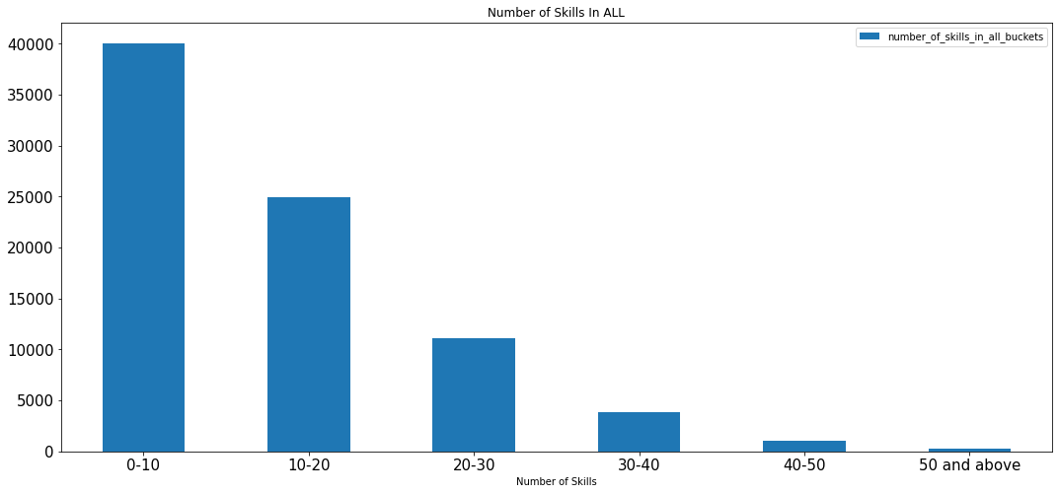
 | Number Of Skills In All
 | Number of Skills | Supplies
 | 0-10 | 40071
 | 10-20 | 24923
 | 20-30 | 11099
 | 30-40 | 3890
 | 40-50 | 1004
 | 50 and above | 259
 | Total | 81246

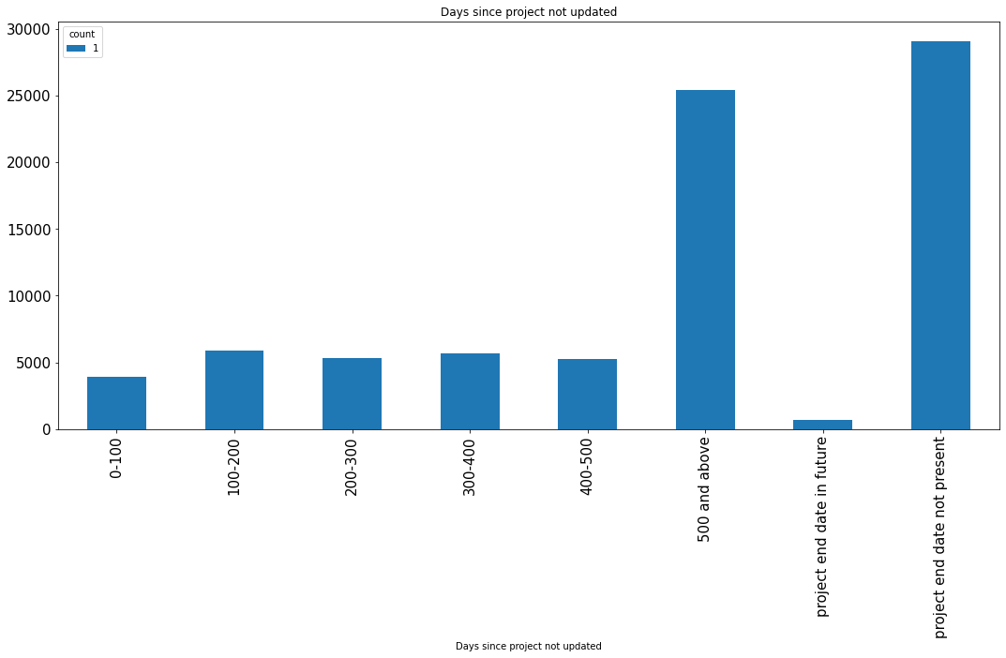
 | Days Since Project Not Updated
 | Days since project not updated | Supplies
 | 0-100 | 3918
 | 100-200 | 5876
 | 200-300 | 5337
 | 300-400 | 5667
 | 400-500 | 5257
 | 500 and above | 25424
 | project end date in future | 667
 | project end date not present | 29100

